Sheet1
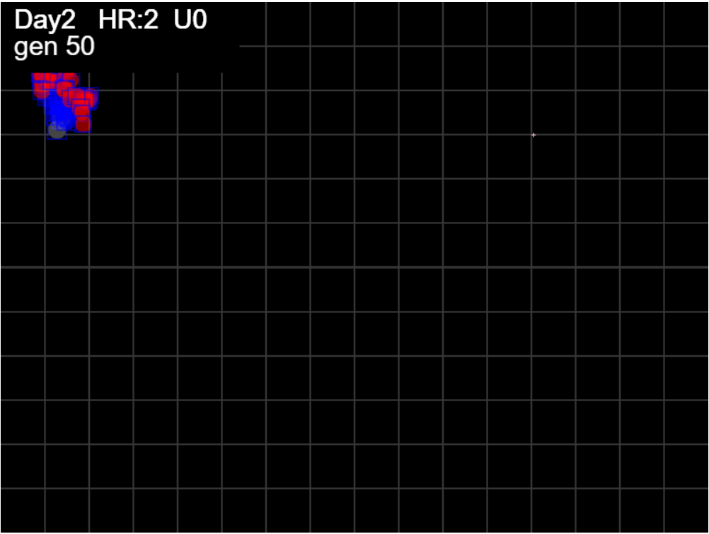

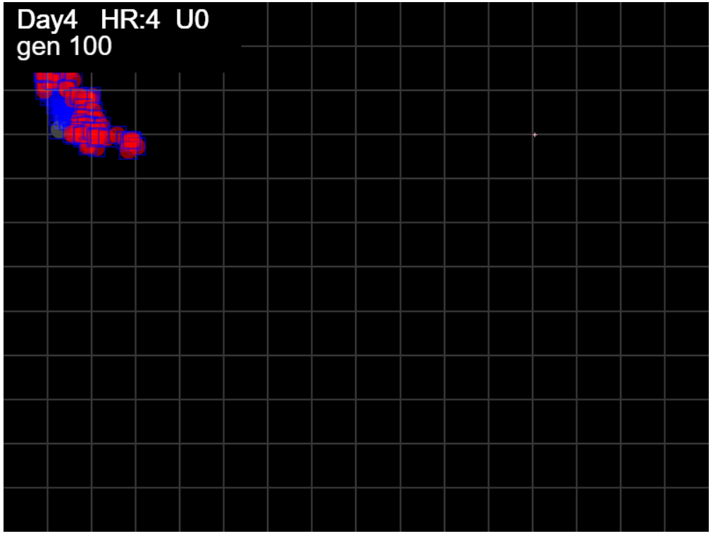

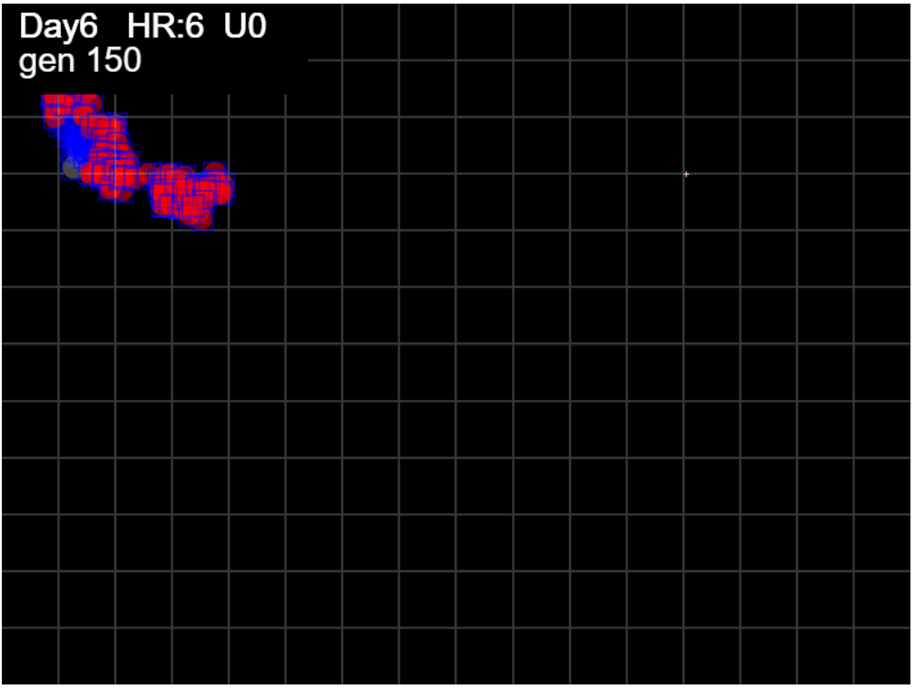

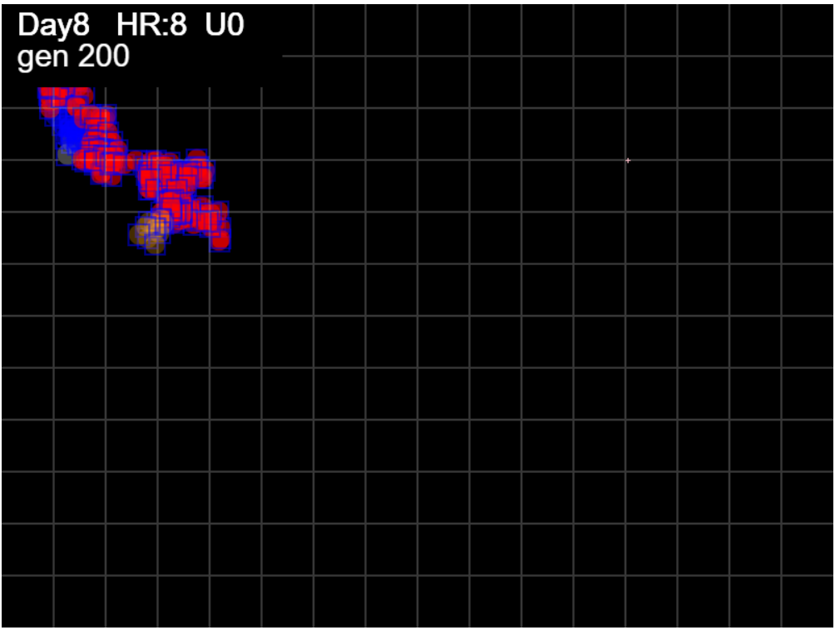

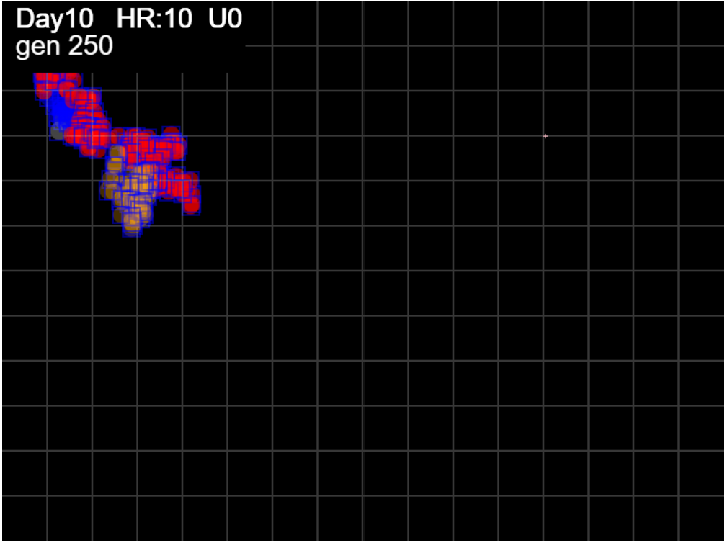

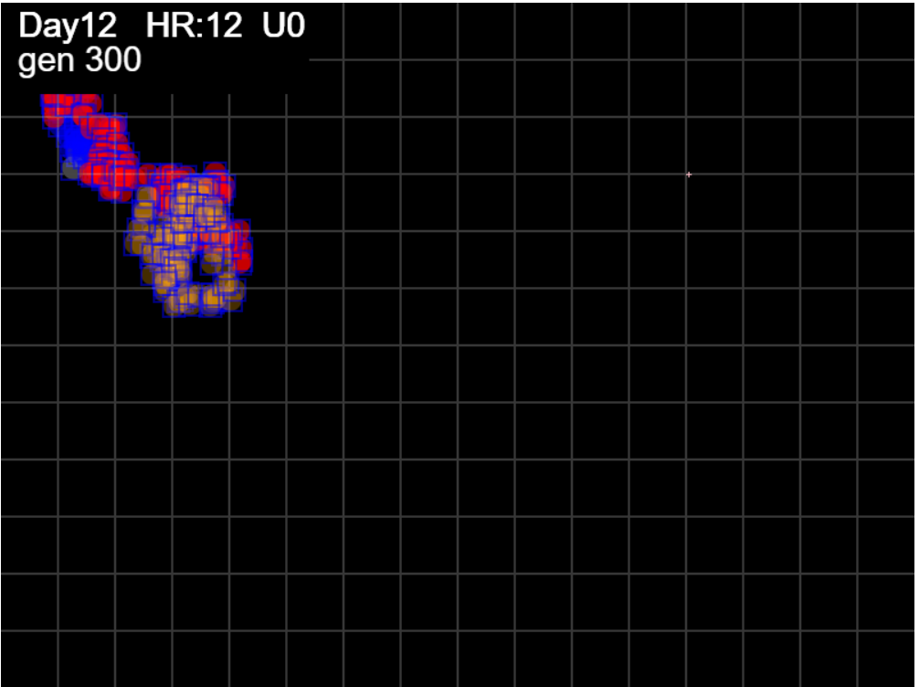

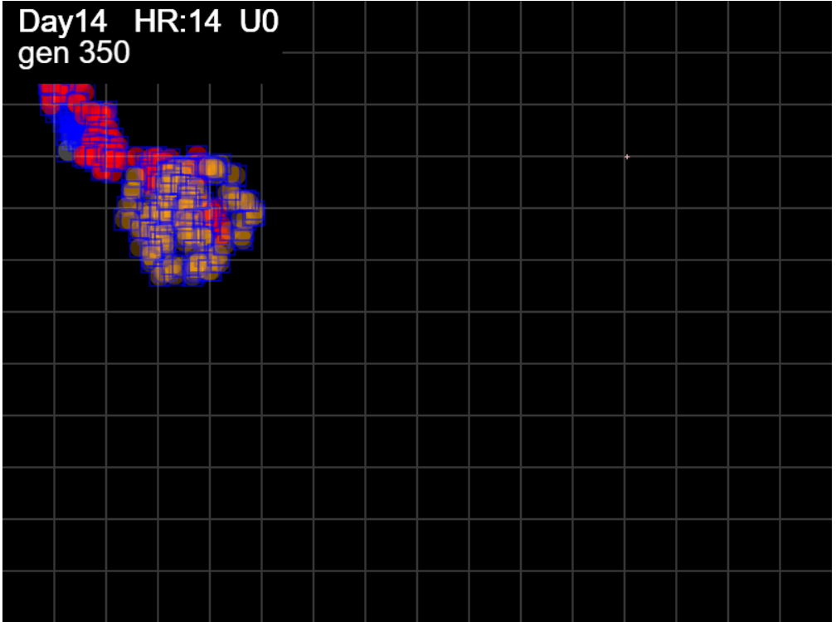

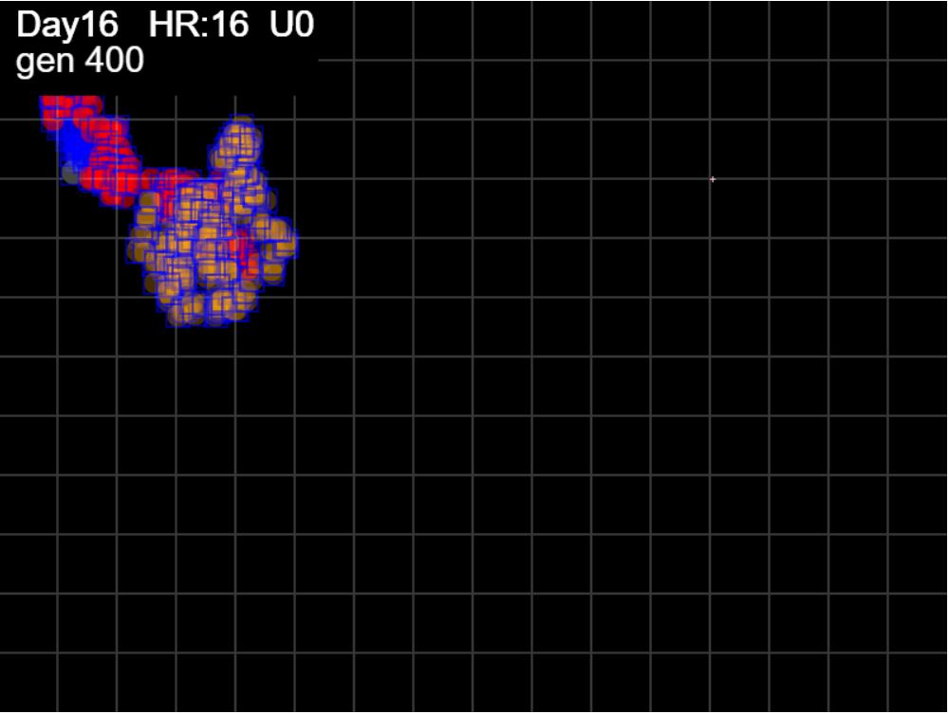

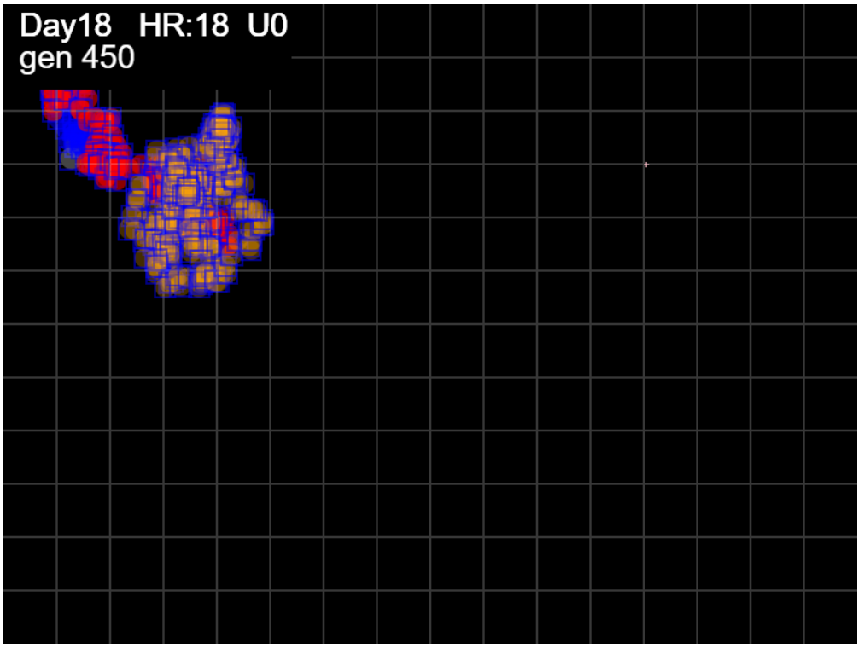

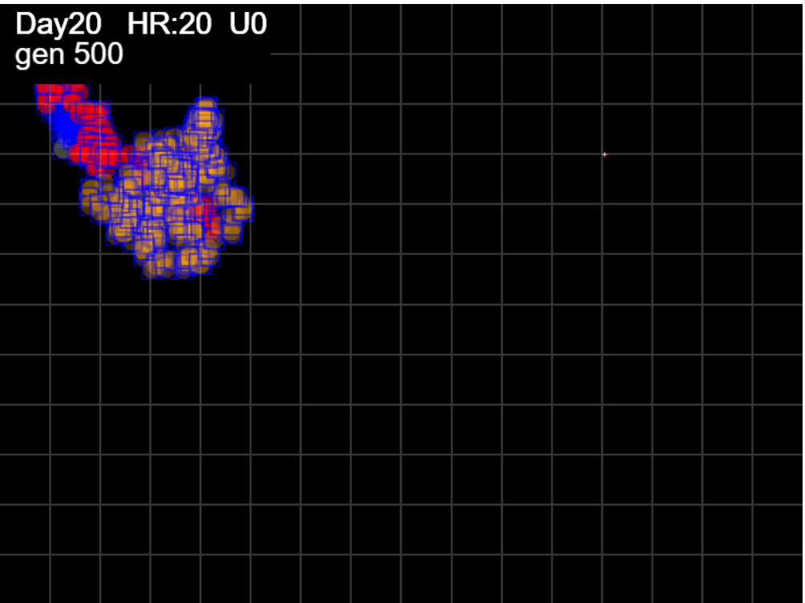

Sheet2
mingle factor - 3.2

Total Arena = 800x600 |  |  |  | 480000
Total sectors |  |  |  | 192
EncArena% = (MaxX-minX)*(maxY-minY)/Total ArenaX100
FootPrint = sum of all pixels agents landed on
Arena% = Footprint/ArenaX100
Index pf SPREAD = ratio of FootPrint to Bounding Area = Enclosure/FootPrint

HzR | GEN | footprint | Sectors | X | Y | maxX | minX | maxY | minY | Territory | Spread S | Density | Coverage | SectorCover
10.37 | 0 | 346 | 1 | 68 | 132
10.37 | 0 | 580 | 2 | 63.85 | 144.45 | 68 | 63.85 | 144.45 | 132 | 51.6675 | 0.089081896552 | 11.225625393 | 0.000107640625 | 0.010416666667
10.77 | 1 | 708 | 2 | 74.62 | 133.68 | 74.62 | 63.85 | 144.45 | 132 | 134.0865 | 0.18938771186 | 5.2801736193 | 0.000279346875 | 0.010416666667
10.23 | 2 | 952 | 2 | 66.43 | 117.31 | 74.62 | 63.85 | 144.45 | 117.31 | 292.2978 | 0.3070355042 | 3.2569523274 | 0.00060895375 | 0.010416666667
 | Coverage
 | 0.000107640625
 | 0.000279346875
 | 0.00060895375
 | 0.00060895375
 | 0.00060895375
 | 0.00060895375
 | 0.00060895375
 | 0.00070564
 | 0.00091371333333
 | 0.0017322785417
 | 0.002286775
 | 0.0023792685417
 | 0.0027917275
 | 0.0032665695833
 | 0.0033597227083
 | 0.0033597227083
 | 0.0035474366667
 | 0.0035474366667
 | 0.0035474366667
 | 0.0035474366667
 | 0.00359244
 | 0.0037029916667
 | 0.0037029916667
 | 0.0037029916667
 | 0.00466974375
 | 0.00466974375
 | 0.00466974375
 | 0.0047186333333
 | 0.0047186333333
 | 0.0047186333333
 | 0.0047186333333
 | 0.0047186333333
 | 0.0047186333333
 | 0.0047580604167
 | 0.006072446875
 | 0.0067330289583
 | 0.0067330289583
 | 0.0067330289583
 | 0.0067330289583
 | 0.0067330289583
 | 0.0067330289583
 | 0.0067330289583
 | 0.0084105533333
 | 0.01000164375
 | 0.01000164375
 | 0.01000164375
 | 0.01000164375
 | 0.01000164375
 | 0.01000164375
...
9.23 | 3 | 952 | 2 | 71.97 | 132.07 | 74.62 | 63.85 | 144.45 | 117.31 | 292.2978 | 0.3070355042 | 3.2569523274 | 0.00060895375 | 0.010416666667
9.41 | 4 | 1005 | 2 | 73.85 | 122.67 | 74.62 | 63.85 | 144.45 | 117.31 | 292.2978 | 0.29084358209 | 3.4382742532 | 0.00060895375 | 0.010416666667
9.86 | 5 | 1008 | 2 | 67.93 | 120.7 | 74.62 | 63.85 | 144.45 | 117.31 | 292.2978 | 0.28997797619 | 3.4485377584 | 0.00060895375 | 0.010416666667
9.31 | 6 | 1012 | 2 | 66.07 | 122.56 | 74.62 | 63.85 | 144.45 | 117.31 | 292.2978 | 0.28883181818 | 3.4622224321 | 0.00060895375 | 0.010416666667
9.84 | 7 | 1070 | 2 | 62.14 | 128.46 | 74.62 | 62.14 | 144.45 | 117.31 | 338.7072 | 0.31654878505 | 3.1590707254 | 0.00070564 | 0.010416666667
9.2 | 8 | 1147 | 3 | 58.46 | 117.42 | 74.62 | 58.46 | 144.45 | 117.31 | 438.5824 | 0.38237349608 | 2.6152440226 | 0.00091371333333 | 0.015625
10.24 | 9 | 1364 | 5 | 52.31 | 107.18 | 74.62 | 52.31 | 144.45 | 107.18 | 831.4937 | 0.6095994868 | 1.6404213285 | 0.0017322785417 | 0.026041666667
9.94 | 10 | 1578 | 5 | 56.29 | 95.25 | 74.62 | 52.31 | 144.45 | 95.25 | 1097.652 | 0.69559695817 | 1.4376141072 | 0.002286775 | 0.026041666667
9.91 | 11 | 1751 | 5 | 66.2 | 93.26 | 74.62 | 52.31 | 144.45 | 93.26 | 1142.0489 | 0.65222667047 | 1.5332093048 | 0.0023792685417 | 0.026041666667
9.07 | 12 | 1879 | 5 | 51.69 | 86.01 | 74.62 | 51.69 | 144.45 | 86.01 | 1340.0292 | 0.71316083023 | 1.4022082504 | 0.0027917275 | 0.026041666667
9.94 | 13 | 2076 | 5 | 55.66 | 76.07 | 74.62 | 51.69 | 144.45 | 76.07 | 1567.9534 | 0.75527620424 | 1.3240189409 | 0.0032665695833 | 0.026041666667
9.71 | 14 | 2119 | 5 | 57.6 | 74.12 | 74.62 | 51.69 | 144.45 | 74.12 | 1612.6669 | 0.76105092025 | 1.3139725259 | 0.0033597227083 | 0.026041666667
9.19 | 15 | 2218 | 5 | 66.79 | 77.8 | 74.62 | 51.69 | 144.45 | 74.12 | 1612.6669 | 0.72708155996 | 1.3753615207 | 0.0033597227083 | 0.026041666667
9.78 | 16 | 2311 | 5 | 51.14 | 71.93 | 74.62 | 51.14 | 144.45 | 71.93 | 1702.7696 | 0.73681073129 | 1.3572006453 | 0.0035474366667 | 0.026041666667
9.71 | 17 | 2311 | 5 | 62.8 | 85.53 | 74.62 | 51.14 | 144.45 | 71.93 | 1702.7696 | 0.73681073129 | 1.3572006453 | 0.0035474366667 | 0.026041666667
10.27 | 18 | 2311 | 5 | 56.64 | 75.26 | 74.62 | 51.14 | 144.45 | 71.93 | 1702.7696 | 0.73681073129 | 1.3572006453 | 0.0035474366667 | 0.026041666667
9.83 | 19 | 2326 | 5 | 58.6 | 73.29 | 74.62 | 51.14 | 144.45 | 71.93 | 1702.7696 | 0.73205915735 | 1.3660098231 | 0.0035474366667 | 0.026041666667
11.39 | 20 | 2505 | 5 | 69.99 | 71.01 | 74.62 | 51.14 | 144.45 | 71.01 | 1724.3712 | 0.68837173653 | 1.452703455 | 0.00359244 | 0.026041666667
11.32 | 21 | 2564 | 5 | 67.73 | 68.75 | 74.62 | 51.14 | 144.45 | 68.75 | 1777.436 | 0.69322776911 | 1.4425273259 | 0.0037029916667 | 0.026041666667
9.53 | 22 | 2564 | 5 | 62.01 | 74.47 | 74.62 | 51.14 | 144.45 | 68.75 | 1777.436 | 0.69322776911 | 1.4425273259 | 0.0037029916667 | 0.026041666667
9.53 | 23 | 2564 | 5 | 52.47 | 85.91 | 74.62 | 51.14 | 144.45 | 68.75 | 1777.436 | 0.69322776911 | 1.4425273259 | 0.0037029916667 | 0.026041666667
9.33 | 24 | 2667 | 5 | 45.01 | 87.78 | 74.62 | 45.01 | 144.45 | 68.75 | 2241.477 | 0.8404488189 | 1.189840449 | 0.00466974375 | 0.026041666667
9.72 | 25 | 2691 | 5 | 46.96 | 93.61 | 74.62 | 45.01 | 144.45 | 68.75 | 2241.477 | 0.83295317726 | 1.2005476746 | 0.00466974375 | 0.026041666667
9.32 | 26 | 2691 | 5 | 52.55 | 86.16 | 74.62 | 45.01 | 144.45 | 68.75 | 2241.477 | 0.83295317726 | 1.2005476746 | 0.00466974375 | 0.026041666667
9.8 | 27 | 2738 | 5 | 44.7 | 80.27 | 74.62 | 44.7 | 144.45 | 68.75 | 2264.944 | 0.8272257122 | 1.20885991 | 0.0047186333333 | 0.026041666667
9.28 | 28 | 2738 | 5 | 53.98 | 89.55 | 74.62 | 44.7 | 144.45 | 68.75 | 2264.944 | 0.8272257122 | 1.20885991 | 0.0047186333333 | 0.026041666667
9.3 | 29 | 2765 | 5 | 46.54 | 100.71 | 74.62 | 44.7 | 144.45 | 68.75 | 2264.944 | 0.81914792043 | 1.2207807345 | 0.0047186333333 | 0.026041666667
9.38 | 30 | 2765 | 5 | 57.8 | 89.45 | 74.62 | 44.7 | 144.45 | 68.75 | 2264.944 | 0.81914792043 | 1.2207807345 | 0.0047186333333 | 0.026041666667
9.6 | 31 | 2765 | 5 | 46.27 | 79.85 | 74.62 | 44.7 | 144.45 | 68.75 | 2264.944 | 0.81914792043 | 1.2207807345 | 0.0047186333333 | 0.026041666667
9.15 | 32 | 2765 | 5 | 59.08 | 81.68 | 74.62 | 44.7 | 144.45 | 68.75 | 2264.944 | 0.81914792043 | 1.2207807345 | 0.0047186333333 | 0.026041666667
9.87 | 33 | 2817 | 5 | 74.87 | 73.78 | 74.87 | 44.7 | 144.45 | 68.75 | 2283.869 | 0.81074511892 | 1.2334332661 | 0.0047580604167 | 0.026041666667
9.97 | 34 | 2968 | 5 | 80.85 | 63.82 | 80.85 | 44.7 | 144.45 | 63.82 | 2914.7745 | 0.98206688005 | 1.0182605893 | 0.006072446875 | 0.026041666667
10.08 | 35 | 3056 | 5 | 82.87 | 59.78 | 82.87 | 44.7 | 144.45 | 59.78 | 3231.8539 | 1.0575438154 | 0.94558729898 | 0.0067330289583 | 0.026041666667
9.52 | 36 | 3056 | 5 | 67.64 | 71.2 | 82.87 | 44.7 | 144.45 | 59.78 | 3231.8539 | 1.0575438154 | 0.94558729898 | 0.0067330289583 | 0.026041666667
9.74 | 37 | 3078 | 5 | 73.48 | 79 | 82.87 | 44.7 | 144.45 | 59.78 | 3231.8539 | 1.0499850227 | 0.95239453739 | 0.0067330289583 | 0.026041666667
9.37 | 38 | 3215 | 5 | 79.11 | 88.37 | 82.87 | 44.7 | 144.45 | 59.78 | 3231.8539 | 1.0052422706 | 0.99478506748 | 0.0067330289583 | 0.026041666667
9.77 | 39 | 3317 | 5 | 73.25 | 100.09 | 82.87 | 44.7 | 144.45 | 59.78 | 3231.8539 | 0.97433038891 | 1.0263459001 | 0.0067330289583 | 0.026041666667
9.55 | 40 | 3318 | 5 | 71.34 | 98.18 | 82.87 | 44.7 | 144.45 | 59.78 | 3231.8539 | 0.974036739 | 1.02665532 | 0.0067330289583 | 0.026041666667
10 | 41 | 3426 | 5 | 79.33 | 110.18 | 82.87 | 44.7 | 144.45 | 59.78 | 3231.8539 | 0.94333155283 | 1.0600726722 | 0.0067330289583 | 0.026041666667
9.32 | 42 | 3625 | 7 | 92.38 | 108.31 | 92.38 | 44.7 | 144.45 | 59.78 | 4037.0656 | 1.113673269 | 0.89792942676 | 0.0084105533333 | 0.036458333333
9.02 | 43 | 3753 | 7 | 101.4 | 106.51 | 101.4 | 44.7 | 144.45 | 59.78 | 4800.789 | 1.2791870504 | 0.78174650042 | 0.01000164375 | 0.036458333333
9.47 | 44 | 3800 | 7 | 99.51 | 110.3 | 101.4 | 44.7 | 144.45 | 59.78 | 4800.789 | 1.2633655263 | 0.79153655784 | 0.01000164375 | 0.036458333333
9.73 | 45 | 3831 | 7 | 97.56 | 112.24 | 101.4 | 44.7 | 144.45 | 59.78 | 4800.789 | 1.2531425215 | 0.79799382976 | 0.01000164375 | 0.036458333333
10.15 | 46 | 3831 | 7 | 95.53 | 110.21 | 101.4 | 44.7 | 144.45 | 59.78 | 4800.789 | 1.2531425215 | 0.79799382976 | 0.01000164375 | 0.036458333333
9.52 | 47 | 3841 | 7 | 86.01 | 106.4 | 101.4 | 44.7 | 144.45 | 59.78 | 4800.789 | 1.2498799792 | 0.80007682071 | 0.01000164375 | 0.036458333333
9.8 | 48 | 3939 | 7 | 89.93 | 120.12 | 101.4 | 44.7 | 144.45 | 59.78 | 4800.789 | 1.2187837014 | 0.82049013193 | 0.01000164375 | 0.036458333333
9 | 49 | 4004 | 7 | 91.73 | 125.53 | 101.4 | 44.7 | 144.45 | 59.78 | 4800.789 | 1.1989982517 | 0.83402957306 | 0.01000164375 | 0.036458333333
9.21 | 50 | 4163 | 7 | 93.57 | 138.42 | 101.4 | 44.7 | 144.45 | 59.78 | 4800.789 | 1.1532041797 | 0.86714912903 | 0.01000164375 | 0.036458333333
9.15 | 51 | 4308 | 7 | 102.73 | 132.93 | 102.73 | 44.7 | 144.45 | 59.78 | 4913.4001 | 1.1405292711 | 0.8767859145 | 0.010236250208 | 0.036458333333
9.96 | 52 | 4406 | 8 | 100.73 | 140.9 | 102.73 | 44.7 | 144.45 | 59.78 | 4913.4001 | 1.1151611666 | 0.89673136938 | 0.010236250208 | 0.041666666667
9.8 | 53 | 4406 | 8 | 87.02 | 131.1 | 102.73 | 44.7 | 144.45 | 59.78 | 4913.4001 | 1.1151611666 | 0.89673136938 | 0.010236250208 | 0.041666666667
9.51 | 54 | 4445 | 8 | 102.23 | 123.49 | 102.73 | 44.7 | 144.45 | 59.78 | 4913.4001 | 1.1053768504 | 0.90466884632 | 0.010236250208 | 0.041666666667
9.91 | 55 | 4508 | 8 | 106.2 | 133.4 | 106.2 | 44.7 | 144.45 | 59.78 | 5207.205 | 1.15510315 | 0.86572355035 | 0.01084834375 | 0.041666666667
9.29 | 56 | 4508 | 8 | 91.33 | 131.54 | 106.2 | 44.7 | 144.45 | 59.78 | 5207.205 | 1.15510315 | 0.86572355035 | 0.01084834375 | 0.041666666667
9.95 | 57 | 4524 | 8 | 101.28 | 141.49 | 106.2 | 44.7 | 144.45 | 59.78 | 5207.205 | 1.1510179045 | 0.86879621601 | 0.01084834375 | 0.041666666667
9.04 | 58 | 4613 | 8 | 92.24 | 146.92 | 106.2 | 44.7 | 146.92 | 59.78 | 5359.11 | 1.1617407327 | 0.86077725592 | 0.0111648125 | 0.041666666667
9.37 | 59 | 4613 | 8 | 97.87 | 139.42 | 106.2 | 44.7 | 146.92 | 59.78 | 5359.11 | 1.1617407327 | 0.86077725592 | 0.0111648125 | 0.041666666667
9.19 | 60 | 4613 | 8 | 101.54 | 141.25 | 106.2 | 44.7 | 146.92 | 59.78 | 5359.11 | 1.1617407327 | 0.86077725592 | 0.0111648125 | 0.041666666667
9.77 | 61 | 4665 | 8 | 103.5 | 145.16 | 106.2 | 44.7 | 146.92 | 59.78 | 5359.11 | 1.1487909968 | 0.87048035961 | 0.0111648125 | 0.041666666667
9.92 | 62 | 4721 | 8 | 101.51 | 149.13 | 106.2 | 44.7 | 149.13 | 59.78 | 5495.025 | 1.1639536115 | 0.85914076824 | 0.01144796875 | 0.041666666667
11.21 | 63 | 4721 | 8 | 99.27 | 144.65 | 106.2 | 44.7 | 149.13 | 59.78 | 5495.025 | 1.1639536115 | 0.85914076824 | 0.01144796875 | 0.041666666667
10.91 | 64 | 4730 | 8 | 103.63 | 142.46 | 106.2 | 44.7 | 149.13 | 59.78 | 5495.025 | 1.1617389006 | 0.86077861338 | 0.01144796875 | 0.041666666667
9.95 | 65 | 4742 | 8 | 93.68 | 148.43 | 106.2 | 44.7 | 149.13 | 59.78 | 5495.025 | 1.1587990299 | 0.8629624069 | 0.01144796875 | 0.041666666667
9.93 | 66 | 4752 | 8 | 91.7 | 146.45 | 106.2 | 44.7 | 149.13 | 59.78 | 5495.025 | 1.1563604798 | 0.86478223484 | 0.01144796875 | 0.041666666667
9.35 | 67 | 4858 | 8 | 89.83 | 153.93 | 106.2 | 44.7 | 153.93 | 59.78 | 5790.225 | 1.1918948127 | 0.83900021156 | 0.01206296875 | 0.041666666667
9.06 | 68 | 4887 | 8 | 86.2 | 148.49 | 106.2 | 44.7 | 153.93 | 59.78 | 5790.225 | 1.1848219767 | 0.84400865251 | 0.01206296875 | 0.041666666667
9.53 | 69 | 4915 | 8 | 101.45 | 152.3 | 106.2 | 44.7 | 153.93 | 59.78 | 5790.225 | 1.1780722279 | 0.8488443886 | 0.01206296875 | 0.041666666667
9.73 | 70 | 4915 | 8 | 89.77 | 138.68 | 106.2 | 44.7 | 153.93 | 59.78 | 5790.225 | 1.1780722279 | 0.8488443886 | 0.01206296875 | 0.041666666667
9.5 | 71 | 4917 | 8 | 84.07 | 136.78 | 106.2 | 44.7 | 153.93 | 59.78 | 5790.225 | 1.1775930445 | 0.84918979832 | 0.01206296875 | 0.041666666667
9.81 | 72 | 4921 | 8 | 86.03 | 140.71 | 106.2 | 44.7 | 153.93 | 59.78 | 5790.225 | 1.1766358464 | 0.84988061777 | 0.01206296875 | 0.041666666667
9.36 | 73 | 4921 | 8 | 93.52 | 148.2 | 106.2 | 44.7 | 153.93 | 59.78 | 5790.225 | 1.1766358464 | 0.84988061777 | 0.01206296875 | 0.041666666667
9.87 | 74 | 4921 | 8 | 91.55 | 152.14 | 106.2 | 44.7 | 153.93 | 59.78 | 5790.225 | 1.1766358464 | 0.84988061777 | 0.01206296875 | 0.041666666667
9.93 | 75 | 4921 | 8 | 93.53 | 140.23 | 106.2 | 44.7 | 153.93 | 59.78 | 5790.225 | 1.1766358464 | 0.84988061777 | 0.01206296875 | 0.041666666667
9.61 | 76 | 4939 | 8 | 83.93 | 145.99 | 106.2 | 44.7 | 153.93 | 59.78 | 5790.225 | 1.1723476412 | 0.85298930525 | 0.01206296875 | 0.041666666667
9.26 | 77 | 4976 | 8 | 80.22 | 151.55 | 106.2 | 44.7 | 153.93 | 59.78 | 5790.225 | 1.163630426 | 0.85937938508 | 0.01206296875 | 0.041666666667
10.14 | 78 | 4986 | 8 | 78.19 | 149.52 | 106.2 | 44.7 | 153.93 | 59.78 | 5790.225 | 1.1612966306 | 0.86110643369 | 0.01206296875 | 0.041666666667
9.3 | 79 | 4986 | 8 | 89.35 | 151.38 | 106.2 | 44.7 | 153.93 | 59.78 | 5790.225 | 1.1612966306 | 0.86110643369 | 0.01206296875 | 0.041666666667
9.69 | 80 | 4986 | 8 | 99.04 | 145.57 | 106.2 | 44.7 | 153.93 | 59.78 | 5790.225 | 1.1612966306 | 0.86110643369 | 0.01206296875 | 0.041666666667
9.18 | 81 | 5061 | 8 | 111.89 | 140.06 | 111.89 | 44.7 | 153.93 | 59.78 | 6325.9385 | 1.2499384509 | 0.80003939336 | 0.013179038542 | 0.041666666667
9.17 | 82 | 5062 | 8 | 102.71 | 151.07 | 111.89 | 44.7 | 153.93 | 59.78 | 6325.9385 | 1.2496915251 | 0.80019747268 | 0.013179038542 | 0.041666666667
9.09 | 83 | 5172 | 8 | 97.26 | 161.98 | 111.89 | 44.7 | 161.98 | 59.78 | 6866.818 | 1.3276910286 | 0.75318728412 | 0.014305870833 | 0.041666666667
9.06 | 84 | 5305 | 8 | 106.32 | 165.61 | 111.89 | 44.7 | 165.61 | 59.78 | 7110.7177 | 1.3403803393 | 0.74605689943 | 0.014813995208 | 0.041666666667
9.31 | 85 | 5334 | 8 | 95.14 | 163.74 | 111.89 | 44.7 | 165.61 | 59.78 | 7110.7177 | 1.3330929321 | 0.75013525006 | 0.014813995208 | 0.041666666667
9.53 | 86 | 5334 | 8 | 89.42 | 150.4 | 111.89 | 44.7 | 165.61 | 59.78 | 7110.7177 | 1.3330929321 | 0.75013525006 | 0.014813995208 | 0.041666666667
9.54 | 87 | 5334 | 8 | 100.87 | 146.58 | 111.89 | 44.7 | 165.61 | 59.78 | 7110.7177 | 1.3330929321 | 0.75013525006 | 0.014813995208 | 0.041666666667
9.27 | 88 | 5349 | 8 | 106.43 | 152.14 | 111.89 | 44.7 | 165.61 | 59.78 | 7110.7177 | 1.3293545896 | 0.75224474176 | 0.014813995208 | 0.041666666667
9.77 | 89 | 5368 | 8 | 108.38 | 146.28 | 111.89 | 44.7 | 165.61 | 59.78 | 7110.7177 | 1.324649348 | 0.75491676459 | 0.014813995208 | 0.041666666667
9.88 | 90 | 5368 | 8 | 104.43 | 154.18 | 111.89 | 44.7 | 165.61 | 59.78 | 7110.7177 | 1.324649348 | 0.75491676459 | 0.014813995208 | 0.041666666667
9.4 | 91 | 5376 | 8 | 108.19 | 152.3 | 111.89 | 44.7 | 165.61 | 59.78 | 7110.7177 | 1.3226781436 | 0.75604182683 | 0.014813995208 | 0.041666666667
9.43 | 92 | 5499 | 8 | 117.63 | 154.19 | 117.63 | 44.7 | 165.61 | 59.78 | 7718.1819 | 1.4035609929 | 0.71247349068 | 0.016079545625 | 0.041666666667
9.55 | 93 | 5697 | 8 | 129.09 | 150.37 | 129.09 | 44.7 | 165.61 | 59.78 | 8930.9937 | 1.5676660874 | 0.63789094376 | 0.018606236875 | 0.041666666667
9.5 | 94 | 5879 | 8 | 138.59 | 156.07 | 138.59 | 44.7 | 165.61 | 59.78 | 9936.3787 | 1.6901477632 | 0.59166424484 | 0.020700788958 | 0.041666666667
9.77 | 95 | 6009 | 10 | 144.45 | 158.03 | 144.45 | 44.7 | 165.61 | 59.78 | 10556.5425 | 1.7567885671 | 0.5692204621 | 0.021992796875 | 0.052083333333
9.73 | 96 | 6027 | 10 | 142.51 | 159.97 | 144.45 | 44.7 | 165.61 | 59.78 | 10556.5425 | 1.7515418118 | 0.57092556583 | 0.021992796875 | 0.052083333333
9.25 | 97 | 6055 | 10 | 148.05 | 158.12 | 148.05 | 44.7 | 165.61 | 59.78 | 10937.5305 | 1.8063634187 | 0.55359845625 | 0.022786521875 | 0.052083333333
9.55 | 98 | 6168 | 10 | 151.87 | 163.85 | 151.87 | 44.7 | 165.61 | 59.78 | 11341.8011 | 1.8388134079 | 0.5438289691 | 0.023628752292 | 0.052083333333
10.05 | 99 | 6280 | 10 | 141.82 | 167.87 | 151.87 | 44.7 | 167.87 | 59.78 | 11584.0053 | 1.8445868312 | 0.54212682379 | 0.024133344375 | 0.052083333333
9.62 | 100 | 6286 | 10 | 145.67 | 156.33 | 151.87 | 44.7 | 167.87 | 59.78 | 11584.0053 | 1.8428261693 | 0.54264477935 | 0.024133344375 | 0.052083333333
9.16 | 101 | 6341 | 10 | 143.84 | 150.83 | 151.87 | 44.7 | 167.87 | 59.78 | 11584.0053 | 1.8268420281 | 0.54739270535 | 0.024133344375 | 0.052083333333
9.84 | 102 | 6341 | 10 | 141.87 | 160.68 | 151.87 | 44.7 | 167.87 | 59.78 | 11584.0053 | 1.8268420281 | 0.54739270535 | 0.024133344375 | 0.052083333333
10.44 | 103 | 6459 | 10 | 146.05 | 173.2 | 151.87 | 44.7 | 173.2 | 59.78 | 12155.2214 | 1.8819045363 | 0.53137658192 | 0.025323377917 | 0.052083333333
9.71 | 104 | 6459 | 10 | 142.16 | 165.43 | 151.87 | 44.7 | 173.2 | 59.78 | 12155.2214 | 1.8819045363 | 0.53137658192 | 0.025323377917 | 0.052083333333
9.68 | 105 | 6528 | 10 | 144.1 | 178.98 | 151.87 | 44.7 | 178.98 | 59.78 | 12774.664 | 1.9569031863 | 0.51101148335 | 0.026613883333 | 0.052083333333
10.38 | 106 | 6544 | 10 | 142.02 | 176.91 | 151.87 | 44.7 | 178.98 | 59.78 | 12774.664 | 1.9521185819 | 0.51226396248 | 0.026613883333 | 0.052083333333
10.21 | 107 | 6724 | 10 | 158.36 | 178.95 | 158.36 | 44.7 | 178.98 | 59.78 | 13548.272 | 2.0149125521 | 0.49629945428 | 0.028225566667 | 0.052083333333
9.16 | 108 | 6739 | 10 | 156.53 | 180.78 | 158.36 | 44.7 | 180.78 | 59.78 | 13752.86 | 2.0407864668 | 0.49000716942 | 0.028651791667 | 0.052083333333
9.71 | 109 | 6883 | 10 | 164.29 | 169.13 | 164.29 | 44.7 | 180.78 | 59.78 | 14470.39 | 2.1023376435 | 0.47566098771 | 0.030146645833 | 0.052083333333
9.59 | 110 | 6887 | 10 | 152.79 | 163.38 | 164.29 | 44.7 | 180.78 | 59.78 | 14470.39 | 2.1011165965 | 0.47593741426 | 0.030146645833 | 0.052083333333
9.02 | 111 | 6887 | 10 | 141.97 | 166.99 | 164.29 | 44.7 | 180.78 | 59.78 | 14470.39 | 2.1011165965 | 0.47593741426 | 0.030146645833 | 0.052083333333
9.67 | 112 | 6900 | 10 | 140.03 | 165.05 | 164.29 | 44.7 | 180.78 | 59.78 | 14470.39 | 2.097157971 | 0.47683580056 | 0.030146645833 | 0.052083333333
9.89 | 113 | 6937 | 10 | 155.86 | 161.1 | 164.29 | 44.7 | 180.78 | 59.78 | 14470.39 | 2.0859723223 | 0.47939274615 | 0.030146645833 | 0.052083333333
9.07 | 114 | 6977 | 10 | 148.61 | 150.21 | 164.29 | 44.7 | 180.78 | 59.78 | 14470.39 | 2.0740131862 | 0.48215701166 | 0.030146645833 | 0.052083333333
9.35 | 115 | 7090 | 10 | 161.7 | 152.08 | 164.29 | 44.7 | 180.78 | 59.78 | 14470.39 | 2.0409576869 | 0.48996606173 | 0.030146645833 | 0.052083333333
9.73 | 116 | 7104 | 10 | 163.65 | 159.87 | 164.29 | 44.7 | 180.78 | 59.78 | 14470.39 | 2.0369355293 | 0.49093355466 | 0.030146645833 | 0.052083333333
9.83 | 117 | 7280 | 10 | 173.48 | 171.67 | 173.48 | 44.7 | 180.78 | 59.78 | 15582.38 | 2.1404368132 | 0.4671943567 | 0.032463291667 | 0.052083333333
9.71 | 118 | 7391 | 10 | 177.37 | 163.89 | 177.37 | 44.7 | 180.78 | 59.78 | 16053.07 | 2.1719753755 | 0.46041037633 | 0.033443895833 | 0.052083333333
9.27 | 119 | 7565 | 10 | 186.63 | 158.33 | 186.63 | 44.7 | 180.78 | 59.78 | 17173.53 | 2.270129544 | 0.44050349579 | 0.0357781875 | 0.052083333333
9.47 | 120 | 7570 | 10 | 177.16 | 165.91 | 186.63 | 44.7 | 180.78 | 59.78 | 17173.53 | 2.2686301189 | 0.44079464152 | 0.0357781875 | 0.052083333333
9.06 | 121 | 7647 | 10 | 189.84 | 164.1 | 189.84 | 44.7 | 180.78 | 59.78 | 17561.94 | 2.2965790506 | 0.43543025429 | 0.036587375 | 0.052083333333
9.46 | 122 | 7786 | 10 | 187.95 | 148.96 | 189.84 | 44.7 | 180.78 | 59.78 | 17561.94 | 2.2555792448 | 0.44334509741 | 0.036587375 | 0.052083333333
9.43 | 123 | 7790 | 10 | 180.41 | 162.16 | 189.84 | 44.7 | 180.78 | 59.78 | 17561.94 | 2.2544210526 | 0.44357286268 | 0.036587375 | 0.052083333333
9.7 | 124 | 7802 | 10 | 190.12 | 156.34 | 190.12 | 44.7 | 180.78 | 59.78 | 17595.82 | 2.2552960779 | 0.44340076223 | 0.036657958333 | 0.052083333333
9.32 | 125 | 7892 | 11 | 195.71 | 160.06 | 195.71 | 44.7 | 180.78 | 59.78 | 18272.21 | 2.3152825646 | 0.4319127243 | 0.038067104167 | 0.057291666667
9.92 | 126 | 7892 | 11 | 187.77 | 158.08 | 195.71 | 44.7 | 180.78 | 59.78 | 18272.21 | 2.3152825646 | 0.4319127243 | 0.038067104167 | 0.057291666667
9.45 | 127 | 7945 | 11 | 191.55 | 167.53 | 195.71 | 44.7 | 180.78 | 59.78 | 18272.21 | 2.2998376337 | 0.43481330392 | 0.038067104167 | 0.057291666667
9.31 | 128 | 7951 | 11 | 178.52 | 160.09 | 195.71 | 44.7 | 180.78 | 59.78 | 18272.21 | 2.2981021255 | 0.43514167142 | 0.038067104167 | 0.057291666667
10 | 129 | 7951 | 11 | 172.52 | 168.08 | 195.71 | 44.7 | 180.78 | 59.78 | 18272.21 | 2.2981021255 | 0.43514167142 | 0.038067104167 | 0.057291666667
9.71 | 130 | 7953 | 11 | 160.87 | 173.91 | 195.71 | 44.7 | 180.78 | 59.78 | 18272.21 | 2.2975242047 | 0.43525112726 | 0.038067104167 | 0.057291666667
10.91 | 131 | 7953 | 11 | 167.42 | 165.18 | 195.71 | 44.7 | 180.78 | 59.78 | 18272.21 | 2.2975242047 | 0.43525112726 | 0.038067104167 | 0.057291666667
10.29 | 132 | 7953 | 11 | 171.54 | 163.12 | 195.71 | 44.7 | 180.78 | 59.78 | 18272.21 | 2.2975242047 | 0.43525112726 | 0.038067104167 | 0.057291666667
9.77 | 133 | 7953 | 11 | 159.81 | 161.16 | 195.71 | 44.7 | 180.78 | 59.78 | 18272.21 | 2.2975242047 | 0.43525112726 | 0.038067104167 | 0.057291666667
11.11 | 134 | 7953 | 11 | 155.37 | 156.72 | 195.71 | 44.7 | 180.78 | 59.78 | 18272.21 | 2.2975242047 | 0.43525112726 | 0.038067104167 | 0.057291666667
10.36 | 135 | 7953 | 11 | 142.94 | 169.15 | 195.71 | 44.7 | 180.78 | 59.78 | 18272.21 | 2.2975242047 | 0.43525112726 | 0.038067104167 | 0.057291666667
9.16 | 136 | 7953 | 11 | 148.43 | 178.31 | 195.71 | 44.7 | 180.78 | 59.78 | 18272.21 | 2.2975242047 | 0.43525112726 | 0.038067104167 | 0.057291666667
9.45 | 137 | 7961 | 11 | 159.77 | 180.2 | 195.71 | 44.7 | 180.78 | 59.78 | 18272.21 | 2.2952154252 | 0.4356889506 | 0.038067104167 | 0.057291666667
9.59 | 138 | 8093 | 11 | 173.21 | 184.04 | 195.71 | 44.7 | 184.04 | 59.78 | 18764.5026 | 2.3186089954 | 0.43129307355 | 0.03909271375 | 0.057291666667
9.89 | 139 | 8093 | 11 | 161.34 | 180.08 | 195.71 | 44.7 | 184.04 | 59.78 | 18764.5026 | 2.3186089954 | 0.43129307355 | 0.03909271375 | 0.057291666667
9.12 | 140 | 8093 | 11 | 163.17 | 172.79 | 195.71 | 44.7 | 184.04 | 59.78 | 18764.5026 | 2.3186089954 | 0.43129307355 | 0.03909271375 | 0.057291666667
9.84 | 141 | 8093 | 11 | 161.2 | 164.91 | 195.71 | 44.7 | 184.04 | 59.78 | 18764.5026 | 2.3186089954 | 0.43129307355 | 0.03909271375 | 0.057291666667
9.21 | 142 | 8093 | 11 | 172.25 | 161.23 | 195.71 | 44.7 | 184.04 | 59.78 | 18764.5026 | 2.3186089954 | 0.43129307355 | 0.03909271375 | 0.057291666667
9.02 | 143 | 8093 | 11 | 177.66 | 163.03 | 195.71 | 44.7 | 184.04 | 59.78 | 18764.5026 | 2.3186089954 | 0.43129307355 | 0.03909271375 | 0.057291666667
9.02 | 144 | 8093 | 11 | 183.07 | 161.23 | 195.71 | 44.7 | 184.04 | 59.78 | 18764.5026 | 2.3186089954 | 0.43129307355 | 0.03909271375 | 0.057291666667
10.12 | 145 | 8104 | 11 | 193.19 | 167.3 | 195.71 | 44.7 | 184.04 | 59.78 | 18764.5026 | 2.3154618213 | 0.4318792868 | 0.03909271375 | 0.057291666667
9.49 | 146 | 8104 | 11 | 179.9 | 165.4 | 195.71 | 44.7 | 184.04 | 59.78 | 18764.5026 | 2.3154618213 | 0.4318792868 | 0.03909271375 | 0.057291666667
9.72 | 147 | 8122 | 11 | 177.96 | 175.13 | 195.71 | 44.7 | 184.04 | 59.78 | 18764.5026 | 2.3103302881 | 0.43283854484 | 0.03909271375 | 0.057291666667
9.54 | 148 | 8247 | 12 | 176.05 | 190.38 | 195.71 | 44.7 | 190.38 | 59.78 | 19721.906 | 2.3914036619 | 0.41816445125 | 0.041087304167 | 0.0625
9.07 | 149 | 8292 | 12 | 165.17 | 186.76 | 195.71 | 44.7 | 190.38 | 59.78 | 19721.906 | 2.3784257115 | 0.42044617797 | 0.041087304167 | 0.0625
9.64 | 150 | 8292 | 12 | 169.03 | 179.04 | 195.71 | 44.7 | 190.38 | 59.78 | 19721.906 | 2.3784257115 | 0.42044617797 | 0.041087304167 | 0.0625
9.41 | 151 | 8358 | 12 | 174.67 | 194.1 | 195.71 | 44.7 | 194.1 | 59.78 | 20283.6632 | 2.42685609 | 0.41205574741 | 0.042257631667 | 0.0625
10.33 | 152 | 8573 | 12 | 185 | 198.23 | 195.71 | 44.7 | 198.23 | 59.78 | 20907.3345 | 2.4387419223 | 0.41004748836 | 0.043556946875 | 0.0625
9.89 | 153 | 8633 | 12 | 186.98 | 202.19 | 195.71 | 44.7 | 202.19 | 59.78 | 21505.3341 | 2.4910615197 | 0.40143528856 | 0.044802779375 | 0.0625
9.05 | 154 | 8727 | 13 | 194.22 | 204 | 195.71 | 44.7 | 204 | 59.78 | 21778.6622 | 2.4955496963 | 0.40071331838 | 0.045372212917 | 0.067708333333
9.25 | 155 | 8950 | 13 | 205.32 | 211.4 | 205.32 | 44.7 | 211.4 | 59.78 | 24353.2044 | 2.7210284246 | 0.36750810501 | 0.0507358425 | 0.067708333333
9.23 | 156 | 9052 | 13 | 210.86 | 215.09 | 210.86 | 44.7 | 215.09 | 59.78 | 25806.3096 | 2.8508958904 | 0.35076693027 | 0.053763145 | 0.067708333333
9.3 | 157 | 9265 | 13 | 209 | 228.11 | 210.86 | 44.7 | 228.11 | 59.78 | 27969.7128 | 3.0188572909 | 0.3312511668 | 0.058270235 | 0.067708333333
9.05 | 158 | 9274 | 13 | 210.81 | 226.3 | 210.86 | 44.7 | 228.11 | 59.78 | 27969.7128 | 3.0159276256 | 0.33157294343 | 0.058270235 | 0.067708333333
9.66 | 159 | 9327 | 13 | 201.15 | 214.71 | 210.86 | 44.7 | 228.11 | 59.78 | 27969.7128 | 2.998789836 | 0.33346785027 | 0.058270235 | 0.067708333333
9.54 | 160 | 9493 | 13 | 208.78 | 199.45 | 210.86 | 44.7 | 228.11 | 59.78 | 27969.7128 | 2.9463512904 | 0.33940284149 | 0.058270235 | 0.067708333333
10.08 | 161 | 9554 | 13 | 192.65 | 195.41 | 210.86 | 44.7 | 228.11 | 59.78 | 27969.7128 | 2.9275395436 | 0.341583772 | 0.058270235 | 0.067708333333
9.77 | 162 | 9554 | 13 | 200.47 | 201.28 | 210.86 | 44.7 | 228.11 | 59.78 | 27969.7128 | 2.9275395436 | 0.341583772 | 0.058270235 | 0.067708333333
10.16 | 163 | 9568 | 13 | 198.43 | 209.4 | 210.86 | 44.7 | 228.11 | 59.78 | 27969.7128 | 2.9232559365 | 0.34208431343 | 0.058270235 | 0.067708333333
9.76 | 164 | 9679 | 13 | 184.77 | 211.35 | 210.86 | 44.7 | 228.11 | 59.78 | 27969.7128 | 2.8897316665 | 0.3460528919 | 0.058270235 | 0.067708333333
9.55 | 165 | 9707 | 13 | 177.14 | 199.9 | 210.86 | 44.7 | 228.11 | 59.78 | 27969.7128 | 2.8813961883 | 0.34705397476 | 0.058270235 | 0.067708333333
9.89 | 166 | 9792 | 13 | 171.2 | 201.87 | 210.86 | 44.7 | 228.11 | 59.78 | 27969.7128 | 2.8563840686 | 0.35009297629 | 0.058270235 | 0.067708333333
9.82 | 167 | 9792 | 13 | 181.02 | 197.95 | 210.86 | 44.7 | 228.11 | 59.78 | 27969.7128 | 2.8563840686 | 0.35009297629 | 0.058270235 | 0.067708333333
9.14 | 168 | 9792 | 13 | 191.99 | 208.91 | 210.86 | 44.7 | 228.11 | 59.78 | 27969.7128 | 2.8563840686 | 0.35009297629 | 0.058270235 | 0.067708333333
9.14 | 169 | 9808 | 13 | 179.19 | 207.09 | 210.86 | 44.7 | 228.11 | 59.78 | 27969.7128 | 2.8517243883 | 0.35066502363 | 0.058270235 | 0.067708333333
9.72 | 170 | 9955 | 13 | 165.59 | 210.97 | 210.86 | 44.7 | 228.11 | 59.78 | 27969.7128 | 2.8096145455 | 0.35592070863 | 0.058270235 | 0.067708333333
9.27 | 171 | 9967 | 13 | 167.44 | 199.85 | 210.86 | 44.7 | 228.11 | 59.78 | 27969.7128 | 2.8062318451 | 0.35634974414 | 0.058270235 | 0.067708333333
9.85 | 172 | 9967 | 13 | 171.38 | 207.73 | 210.86 | 44.7 | 228.11 | 59.78 | 27969.7128 | 2.8062318451 | 0.35634974414 | 0.058270235 | 0.067708333333
10.18 | 173 | 9988 | 13 | 165.27 | 197.54 | 210.86 | 44.7 | 228.11 | 59.78 | 27969.7128 | 2.800331678 | 0.35710055628 | 0.058270235 | 0.067708333333
9.39 | 174 | 9988 | 13 | 167.15 | 199.42 | 210.86 | 44.7 | 228.11 | 59.78 | 27969.7128 | 2.800331678 | 0.35710055628 | 0.058270235 | 0.067708333333
9.69 | 175 | 9988 | 13 | 172.96 | 201.36 | 210.86 | 44.7 | 228.11 | 59.78 | 27969.7128 | 2.800331678 | 0.35710055628 | 0.058270235 | 0.067708333333
10.02 | 176 | 10040 | 14 | 158.94 | 191.34 | 210.86 | 44.7 | 228.11 | 59.78 | 27969.7128 | 2.7858279681 | 0.35895971016 | 0.058270235 | 0.072916666667
9.87 | 177 | 10040 | 14 | 164.86 | 189.37 | 210.86 | 44.7 | 228.11 | 59.78 | 27969.7128 | 2.7858279681 | 0.35895971016 | 0.058270235 | 0.072916666667
9.19 | 178 | 10040 | 14 | 174.04 | 191.2 | 210.86 | 44.7 | 228.11 | 59.78 | 27969.7128 | 2.7858279681 | 0.35895971016 | 0.058270235 | 0.072916666667
9.72 | 179 | 10040 | 14 | 170.16 | 198.98 | 210.86 | 44.7 | 228.11 | 59.78 | 27969.7128 | 2.7858279681 | 0.35895971016 | 0.058270235 | 0.072916666667
9.68 | 180 | 10040 | 14 | 174.03 | 200.92 | 210.86 | 44.7 | 228.11 | 59.78 | 27969.7128 | 2.7858279681 | 0.35895971016 | 0.058270235 | 0.072916666667
9.63 | 181 | 10061 | 14 | 162.47 | 202.84 | 210.86 | 44.7 | 228.11 | 59.78 | 27969.7128 | 2.7800131995 | 0.3597105223 | 0.058270235 | 0.072916666667
9.77 | 182 | 10090 | 14 | 160.52 | 204.8 | 210.86 | 44.7 | 228.11 | 59.78 | 27969.7128 | 2.7720230723 | 0.36074735812 | 0.058270235 | 0.072916666667
9.1 | 183 | 10176 | 14 | 155.06 | 210.26 | 210.86 | 44.7 | 228.11 | 59.78 | 27969.7128 | 2.7485959906 | 0.36382211261 | 0.058270235 | 0.072916666667
9.98 | 184 | 10176 | 14 | 167.03 | 202.27 | 210.86 | 44.7 | 228.11 | 59.78 | 27969.7128 | 2.7485959906 | 0.36382211261 | 0.058270235 | 0.072916666667
9.38 | 185 | 10176 | 14 | 163.28 | 200.4 | 210.86 | 44.7 | 228.11 | 59.78 | 27969.7128 | 2.7485959906 | 0.36382211261 | 0.058270235 | 0.072916666667
9.53 | 186 | 10268 | 14 | 149.95 | 209.92 | 210.86 | 44.7 | 228.11 | 59.78 | 27969.7128 | 2.7239689131 | 0.36711138485 | 0.058270235 | 0.072916666667
9.61 | 187 | 10304 | 14 | 153.79 | 200.32 | 210.86 | 44.7 | 228.11 | 59.78 | 27969.7128 | 2.714451941 | 0.36839849139 | 0.058270235 | 0.072916666667
9.98 | 188 | 10304 | 14 | 161.77 | 190.34 | 210.86 | 44.7 | 228.11 | 59.78 | 27969.7128 | 2.714451941 | 0.36839849139 | 0.058270235 | 0.072916666667
9.31 | 189 | 10304 | 14 | 163.63 | 195.93 | 210.86 | 44.7 | 228.11 | 59.78 | 27969.7128 | 2.714451941 | 0.36839849139 | 0.058270235 | 0.072916666667
9.6 | 190 | 10304 | 14 | 154.03 | 207.44 | 210.86 | 44.7 | 228.11 | 59.78 | 27969.7128 | 2.714451941 | 0.36839849139 | 0.058270235 | 0.072916666667
9.73 | 191 | 10326 | 14 | 155.98 | 211.34 | 210.86 | 44.7 | 228.11 | 59.78 | 27969.7128 | 2.708668681 | 0.36918505649 | 0.058270235 | 0.072916666667
9.85 | 192 | 10452 | 14 | 148.1 | 217.25 | 210.86 | 44.7 | 228.11 | 59.78 | 27969.7128 | 2.6760153846 | 0.37368992934 | 0.058270235 | 0.072916666667
9 | 193 | 10452 | 14 | 153.5 | 206.44 | 210.86 | 44.7 | 228.11 | 59.78 | 27969.7128 | 2.6760153846 | 0.37368992934 | 0.058270235 | 0.072916666667
9.8 | 194 | 10518 | 14 | 151.54 | 220.16 | 210.86 | 44.7 | 228.11 | 59.78 | 27969.7128 | 2.6592235026 | 0.37604962465 | 0.058270235 | 0.072916666667
9.3 | 195 | 10679 | 14 | 140.37 | 225.74 | 210.86 | 44.7 | 228.11 | 59.78 | 27969.7128 | 2.6191322034 | 0.38180585108 | 0.058270235 | 0.072916666667
9.64 | 196 | 10681 | 14 | 148.08 | 216.11 | 210.86 | 44.7 | 228.11 | 59.78 | 27969.7128 | 2.6186417751 | 0.381877357 | 0.058270235 | 0.072916666667
9.94 | 197 | 10765 | 14 | 142.12 | 210.14 | 210.86 | 44.7 | 228.11 | 59.78 | 27969.7128 | 2.5982083418 | 0.38488060557 | 0.058270235 | 0.072916666667
9.35 | 198 | 10804 | 14 | 138.38 | 213.89 | 210.86 | 44.7 | 228.11 | 59.78 | 27969.7128 | 2.5888293965 | 0.38627497098 | 0.058270235 | 0.072916666667
9.93 | 199 | 10926 | 14 | 132.42 | 221.83 | 210.86 | 44.7 | 228.11 | 59.78 | 27969.7128 | 2.5599224602 | 0.39063683199 | 0.058270235 | 0.072916666667
9.5 | 200 | 11043 | 14 | 147.62 | 231.33 | 210.86 | 44.7 | 231.33 | 59.78 | 28504.748 | 2.5812503849 | 0.38740914321 | 0.059384891667 | 0.072916666667
9.1 | 201 | 11212 | 14 | 154.9 | 240.42 | 210.86 | 44.7 | 240.42 | 59.78 | 30015.1424 | 2.6770551552 | 0.37354478785 | 0.062531546667 | 0.072916666667
9.33 | 202 | 11269 | 16 | 153.03 | 242.29 | 210.86 | 44.7 | 242.29 | 59.78 | 30325.8616 | 2.691087195 | 0.37159702661 | 0.063178878333 | 0.083333333333
9.87 | 203 | 11272 | 16 | 151.06 | 230.45 | 210.86 | 44.7 | 242.29 | 59.78 | 30325.8616 | 2.6903709723 | 0.37169595208 | 0.063178878333 | 0.083333333333
9.05 | 204 | 11300 | 16 | 147.44 | 237.69 | 210.86 | 44.7 | 242.29 | 59.78 | 30325.8616 | 2.6837045664 | 0.37261925643 | 0.063178878333 | 0.083333333333
9.53 | 205 | 11501 | 16 | 143.63 | 252.94 | 210.86 | 44.7 | 252.94 | 59.78 | 32095.4656 | 2.7906673854 | 0.35833722256 | 0.066865553333 | 0.083333333333
9.48 | 206 | 11517 | 16 | 145.52 | 249.15 | 210.86 | 44.7 | 252.94 | 59.78 | 32095.4656 | 2.7867904489 | 0.35883573535 | 0.066865553333 | 0.083333333333
9.22 | 207 | 11517 | 16 | 147.36 | 239.93 | 210.86 | 44.7 | 252.94 | 59.78 | 32095.4656 | 2.7867904489 | 0.35883573535 | 0.066865553333 | 0.083333333333
9.39 | 208 | 11522 | 16 | 145.49 | 228.66 | 210.86 | 44.7 | 252.94 | 59.78 | 32095.4656 | 2.7855811144 | 0.3589915206 | 0.066865553333 | 0.083333333333
9.57 | 209 | 11522 | 16 | 147.4 | 230.57 | 210.86 | 44.7 | 252.94 | 59.78 | 32095.4656 | 2.7855811144 | 0.3589915206 | 0.066865553333 | 0.083333333333
9.48 | 210 | 11530 | 16 | 153.08 | 228.68 | 210.86 | 44.7 | 252.94 | 59.78 | 32095.4656 | 2.7836483608 | 0.35924077699 | 0.066865553333 | 0.083333333333
9.94 | 211 | 11530 | 16 | 149.11 | 212.78 | 210.86 | 44.7 | 252.94 | 59.78 | 32095.4656 | 2.7836483608 | 0.35924077699 | 0.066865553333 | 0.083333333333
9.72 | 212 | 11530 | 16 | 147.17 | 224.45 | 210.86 | 44.7 | 252.94 | 59.78 | 32095.4656 | 2.7836483608 | 0.35924077699 | 0.066865553333 | 0.083333333333
9.16 | 213 | 11530 | 16 | 158.16 | 211.63 | 210.86 | 44.7 | 252.94 | 59.78 | 32095.4656 | 2.7836483608 | 0.35924077699 | 0.066865553333 | 0.083333333333
9.5 | 214 | 11556 | 16 | 160.06 | 215.43 | 210.86 | 44.7 | 252.94 | 59.78 | 32095.4656 | 2.7773853929 | 0.36005086027 | 0.066865553333 | 0.083333333333
9.72 | 215 | 11573 | 16 | 162 | 217.37 | 210.86 | 44.7 | 252.94 | 59.78 | 32095.4656 | 2.7733055906 | 0.3605805301 | 0.066865553333 | 0.083333333333
9.52 | 216 | 11573 | 16 | 163.9 | 209.76 | 210.86 | 44.7 | 252.94 | 59.78 | 32095.4656 | 2.7733055906 | 0.3605805301 | 0.066865553333 | 0.083333333333
9.01 | 217 | 11573 | 16 | 158.5 | 200.75 | 210.86 | 44.7 | 252.94 | 59.78 | 32095.4656 | 2.7733055906 | 0.3605805301 | 0.066865553333 | 0.083333333333
9.54 | 218 | 11573 | 16 | 164.22 | 189.3 | 210.86 | 44.7 | 252.94 | 59.78 | 32095.4656 | 2.7733055906 | 0.3605805301 | 0.066865553333 | 0.083333333333
9.46 | 219 | 11584 | 16 | 150.97 | 202.55 | 210.86 | 44.7 | 252.94 | 59.78 | 32095.4656 | 2.7706720994 | 0.36092325765 | 0.066865553333 | 0.083333333333
9.27 | 220 | 11584 | 16 | 152.83 | 206.26 | 210.86 | 44.7 | 252.94 | 59.78 | 32095.4656 | 2.7706720994 | 0.36092325765 | 0.066865553333 | 0.083333333333
9.93 | 221 | 11584 | 16 | 154.81 | 208.25 | 210.86 | 44.7 | 252.94 | 59.78 | 32095.4656 | 2.7706720994 | 0.36092325765 | 0.066865553333 | 0.083333333333
9.5 | 222 | 11584 | 16 | 164.31 | 200.64 | 210.86 | 44.7 | 252.94 | 59.78 | 32095.4656 | 2.7706720994 | 0.36092325765 | 0.066865553333 | 0.083333333333
9.25 | 223 | 11584 | 16 | 156.91 | 204.35 | 210.86 | 44.7 | 252.94 | 59.78 | 32095.4656 | 2.7706720994 | 0.36092325765 | 0.066865553333 | 0.083333333333
9.03 | 224 | 11600 | 16 | 151.49 | 193.51 | 210.86 | 44.7 | 252.94 | 59.78 | 32095.4656 | 2.7668504828 | 0.36142177043 | 0.066865553333 | 0.083333333333
9.38 | 225 | 11600 | 16 | 155.25 | 191.63 | 210.86 | 44.7 | 252.94 | 59.78 | 32095.4656 | 2.7668504828 | 0.36142177043 | 0.066865553333 | 0.083333333333
9.2 | 226 | 11600 | 16 | 158.92 | 189.79 | 210.86 | 44.7 | 252.94 | 59.78 | 32095.4656 | 2.7668504828 | 0.36142177043 | 0.066865553333 | 0.083333333333
9.8 | 227 | 11666 | 16 | 145.21 | 191.75 | 210.86 | 44.7 | 252.94 | 59.78 | 32095.4656 | 2.7511971198 | 0.36347813568 | 0.066865553333 | 0.083333333333
9.2 | 228 | 11673 | 16 | 143.37 | 200.95 | 210.86 | 44.7 | 252.94 | 59.78 | 32095.4656 | 2.7495472972 | 0.36369623502 | 0.066865553333 | 0.083333333333
9.91 | 229 | 11673 | 16 | 153.28 | 202.93 | 210.86 | 44.7 | 252.94 | 59.78 | 32095.4656 | 2.7495472972 | 0.36369623502 | 0.066865553333 | 0.083333333333
9.49 | 230 | 11677 | 16 | 141.89 | 206.73 | 210.86 | 44.7 | 252.94 | 59.78 | 32095.4656 | 2.7486054295 | 0.36382086322 | 0.066865553333 | 0.083333333333
9.1 | 231 | 11779 | 16 | 132.78 | 203.09 | 210.86 | 44.7 | 252.94 | 59.78 | 32095.4656 | 2.7248039392 | 0.36699888223 | 0.066865553333 | 0.083333333333
9.4 | 232 | 11961 | 16 | 125.26 | 195.56 | 210.86 | 44.7 | 252.94 | 59.78 | 32095.4656 | 2.6833429981 | 0.37266946518 | 0.066865553333 | 0.083333333333
9.6 | 233 | 12093 | 16 | 127.18 | 184.05 | 210.86 | 44.7 | 252.94 | 59.78 | 32095.4656 | 2.6540532209 | 0.37678219568 | 0.066865553333 | 0.083333333333
9.01 | 234 | 12137 | 16 | 123.58 | 182.25 | 210.86 | 44.7 | 252.94 | 59.78 | 32095.4656 | 2.6444315399 | 0.37815310584 | 0.066865553333 | 0.083333333333
9.65 | 235 | 12211 | 16 | 129.36 | 170.67 | 210.86 | 44.7 | 252.94 | 59.78 | 32095.4656 | 2.6284059946 | 0.38045872748 | 0.066865553333 | 0.083333333333
9.28 | 236 | 12226 | 16 | 127.51 | 168.81 | 210.86 | 44.7 | 252.94 | 59.78 | 32095.4656 | 2.6251812204 | 0.38092608322 | 0.066865553333 | 0.083333333333
9.18 | 237 | 12226 | 16 | 125.67 | 183.5 | 210.86 | 44.7 | 252.94 | 59.78 | 32095.4656 | 2.6251812204 | 0.38092608322 | 0.066865553333 | 0.083333333333
9.42 | 238 | 12318 | 16 | 120.02 | 198.57 | 210.86 | 44.7 | 252.94 | 59.78 | 32095.4656 | 2.6055744114 | 0.38379253174 | 0.066865553333 | 0.083333333333
9.94 | 239 | 12484 | 16 | 118.03 | 210.5 | 210.86 | 44.7 | 252.94 | 59.78 | 32095.4656 | 2.5709280359 | 0.3889646019 | 0.066865553333 | 0.083333333333
9.23 | 240 | 12484 | 16 | 123.57 | 212.34 | 210.86 | 44.7 | 252.94 | 59.78 | 32095.4656 | 2.5709280359 | 0.3889646019 | 0.066865553333 | 0.083333333333
9.08 | 241 | 12484 | 16 | 132.65 | 219.61 | 210.86 | 44.7 | 252.94 | 59.78 | 32095.4656 | 2.5709280359 | 0.3889646019 | 0.066865553333 | 0.083333333333
9.36 | 242 | 12484 | 16 | 142.01 | 221.48 | 210.86 | 44.7 | 252.94 | 59.78 | 32095.4656 | 2.5709280359 | 0.3889646019 | 0.066865553333 | 0.083333333333
9.32 | 243 | 12484 | 16 | 149.47 | 225.21 | 210.86 | 44.7 | 252.94 | 59.78 | 32095.4656 | 2.5709280359 | 0.3889646019 | 0.066865553333 | 0.083333333333
9.16 | 244 | 12528 | 16 | 158.62 | 238.03 | 210.86 | 44.7 | 252.94 | 59.78 | 32095.4656 | 2.5618985951 | 0.39033551207 | 0.066865553333 | 0.083333333333
9.72 | 245 | 12533 | 16 | 156.68 | 224.42 | 210.86 | 44.7 | 252.94 | 59.78 | 32095.4656 | 2.560876534 | 0.39049129731 | 0.066865553333 | 0.083333333333
9.54 | 246 | 12533 | 16 | 152.86 | 232.06 | 210.86 | 44.7 | 252.94 | 59.78 | 32095.4656 | 2.560876534 | 0.39049129731 | 0.066865553333 | 0.083333333333
9.36 | 247 | 12533 | 16 | 156.61 | 233.93 | 210.86 | 44.7 | 252.94 | 59.78 | 32095.4656 | 2.560876534 | 0.39049129731 | 0.066865553333 | 0.083333333333
9.76 | 248 | 12560 | 16 | 142.94 | 239.78 | 210.86 | 44.7 | 252.94 | 59.78 | 32095.4656 | 2.555371465 | 0.39133253764 | 0.066865553333 | 0.083333333333
9.09 | 249 | 12673 | 16 | 132.04 | 237.97 | 210.86 | 44.7 | 252.94 | 59.78 | 32095.4656 | 2.5325862542 | 0.3948532842 | 0.066865553333 | 0.083333333333
9.94 | 250 | 12673 | 16 | 143.96 | 245.92 | 210.86 | 44.7 | 252.94 | 59.78 | 32095.4656 | 2.5325862542 | 0.3948532842 | 0.066865553333 | 0.083333333333
9.99 | 251 | 12914 | 16 | 157.95 | 259.9 | 210.86 | 44.7 | 259.9 | 59.78 | 33251.9392 | 2.5748752672 | 0.3883683271 | 0.069274873333 | 0.083333333333
9.72 | 252 | 12941 | 16 | 156.01 | 261.85 | 210.86 | 44.7 | 261.85 | 59.78 | 33575.9512 | 2.5945407001 | 0.38542467264 | 0.069949898333 | 0.083333333333
9.03 | 253 | 12973 | 16 | 161.43 | 258.24 | 210.86 | 44.7 | 261.85 | 59.78 | 33575.9512 | 2.5881408464 | 0.38637773574 | 0.069949898333 | 0.083333333333
9.5 | 254 | 13061 | 16 | 151.93 | 265.84 | 210.86 | 44.7 | 265.84 | 59.78 | 34238.9296 | 2.6214631039 | 0.38146636453 | 0.071331103333 | 0.083333333333
9.97 | 255 | 13185 | 16 | 165.88 | 263.84 | 210.86 | 44.7 | 265.84 | 59.78 | 34238.9296 | 2.5968092226 | 0.38508797308 | 0.071331103333 | 0.083333333333
9.49 | 256 | 13221 | 16 | 163.98 | 254.35 | 210.86 | 44.7 | 265.84 | 59.78 | 34238.9296 | 2.5897382649 | 0.38613940782 | 0.071331103333 | 0.083333333333
9.85 | 257 | 13365 | 16 | 173.83 | 256.32 | 210.86 | 44.7 | 265.84 | 59.78 | 34238.9296 | 2.561835361 | 0.39034514677 | 0.071331103333 | 0.083333333333
9.32 | 258 | 13558 | 16 | 183.15 | 265.64 | 210.86 | 44.7 | 265.84 | 59.78 | 34238.9296 | 2.5253672813 | 0.39598200523 | 0.071331103333 | 0.083333333333
9.94 | 259 | 13617 | 16 | 185.14 | 261.66 | 210.86 | 44.7 | 265.84 | 59.78 | 34238.9296 | 2.5144253213 | 0.39770518994 | 0.071331103333 | 0.083333333333
9.8 | 260 | 13666 | 16 | 187.1 | 259.7 | 210.86 | 44.7 | 265.84 | 59.78 | 34238.9296 | 2.5054097468 | 0.39913630945 | 0.071331103333 | 0.083333333333
9.34 | 261 | 13706 | 16 | 188.96 | 257.84 | 210.86 | 44.7 | 265.84 | 59.78 | 34238.9296 | 2.4980978841 | 0.40030457027 | 0.071331103333 | 0.083333333333
9.61 | 262 | 13732 | 16 | 185.12 | 255.91 | 210.86 | 44.7 | 265.84 | 59.78 | 34238.9296 | 2.4933680163 | 0.4010639398 | 0.071331103333 | 0.083333333333
9.94 | 263 | 13924 | 17 | 201.03 | 259.89 | 210.86 | 44.7 | 265.84 | 59.78 | 34238.9296 | 2.458986613 | 0.40667159174 | 0.071331103333 | 0.088541666667
9.75 | 264 | 14066 | 17 | 204.93 | 252.09 | 210.86 | 44.7 | 265.84 | 59.78 | 34238.9296 | 2.4341624911 | 0.41081891766 | 0.071331103333 | 0.088541666667
9.38 | 265 | 14165 | 17 | 195.55 | 246.47 | 210.86 | 44.7 | 265.84 | 59.78 | 34238.9296 | 2.4171499894 | 0.41371036319 | 0.071331103333 | 0.088541666667
9.08 | 266 | 14182 | 17 | 199.18 | 244.65 | 210.86 | 44.7 | 265.84 | 59.78 | 34238.9296 | 2.4142525455 | 0.41420687404 | 0.071331103333 | 0.088541666667
9.17 | 267 | 14297 | 17 | 197.35 | 233.65 | 210.86 | 44.7 | 265.84 | 59.78 | 34238.9296 | 2.3948331538 | 0.4175656239 | 0.071331103333 | 0.088541666667
9.06 | 268 | 14320 | 17 | 193.72 | 220.96 | 210.86 | 44.7 | 265.84 | 59.78 | 34238.9296 | 2.3909867039 | 0.41823737387 | 0.071331103333 | 0.088541666667
9.29 | 269 | 14463 | 17 | 184.44 | 228.39 | 210.86 | 44.7 | 265.84 | 59.78 | 34238.9296 | 2.3673463044 | 0.4224139063 | 0.071331103333 | 0.088541666667
9.05 | 270 | 14463 | 17 | 186.24 | 219.35 | 210.86 | 44.7 | 265.84 | 59.78 | 34238.9296 | 2.3673463044 | 0.4224139063 | 0.071331103333 | 0.088541666667
9.8 | 271 | 14463 | 17 | 194.08 | 203.67 | 210.86 | 44.7 | 265.84 | 59.78 | 34238.9296 | 2.3673463044 | 0.4224139063 | 0.071331103333 | 0.088541666667
9.73 | 272 | 14490 | 17 | 188.24 | 192 | 210.86 | 44.7 | 265.84 | 59.78 | 34238.9296 | 2.3629351001 | 0.42320248236 | 0.071331103333 | 0.088541666667
9.12 | 273 | 14502 | 17 | 180.94 | 186.52 | 210.86 | 44.7 | 265.84 | 59.78 | 34238.9296 | 2.3609798373 | 0.4235529606 | 0.071331103333 | 0.088541666667
9.35 | 274 | 14502 | 17 | 182.81 | 201.48 | 210.86 | 44.7 | 265.84 | 59.78 | 34238.9296 | 2.3609798373 | 0.4235529606 | 0.071331103333 | 0.088541666667
9.74 | 275 | 14502 | 17 | 171.13 | 191.74 | 210.86 | 44.7 | 265.84 | 59.78 | 34238.9296 | 2.3609798373 | 0.4235529606 | 0.071331103333 | 0.088541666667
9.58 | 276 | 14502 | 17 | 163.46 | 180.25 | 210.86 | 44.7 | 265.84 | 59.78 | 34238.9296 | 2.3609798373 | 0.4235529606 | 0.071331103333 | 0.088541666667
9.36 | 277 | 14502 | 17 | 161.59 | 165.26 | 210.86 | 44.7 | 265.84 | 59.78 | 34238.9296 | 2.3609798373 | 0.4235529606 | 0.071331103333 | 0.088541666667
9.23 | 278 | 14502 | 17 | 163.44 | 163.42 | 210.86 | 44.7 | 265.84 | 59.78 | 34238.9296 | 2.3609798373 | 0.4235529606 | 0.071331103333 | 0.088541666667
9.55 | 279 | 14502 | 17 | 167.26 | 161.51 | 210.86 | 44.7 | 265.84 | 59.78 | 34238.9296 | 2.3609798373 | 0.4235529606 | 0.071331103333 | 0.088541666667
9.34 | 280 | 14502 | 17 | 157.92 | 165.25 | 210.86 | 44.7 | 265.84 | 59.78 | 34238.9296 | 2.3609798373 | 0.4235529606 | 0.071331103333 | 0.088541666667
9.96 | 281 | 14502 | 17 | 167.88 | 173.22 | 210.86 | 44.7 | 265.84 | 59.78 | 34238.9296 | 2.3609798373 | 0.4235529606 | 0.071331103333 | 0.088541666667
9.88 | 282 | 14502 | 17 | 165.9 | 183.1 | 210.86 | 44.7 | 265.84 | 59.78 | 34238.9296 | 2.3609798373 | 0.4235529606 | 0.071331103333 | 0.088541666667
9.47 | 283 | 14502 | 17 | 175.37 | 169.85 | 210.86 | 44.7 | 265.84 | 59.78 | 34238.9296 | 2.3609798373 | 0.4235529606 | 0.071331103333 | 0.088541666667
9.41 | 284 | 14502 | 17 | 181.01 | 162.32 | 210.86 | 44.7 | 265.84 | 59.78 | 34238.9296 | 2.3609798373 | 0.4235529606 | 0.071331103333 | 0.088541666667
9.16 | 285 | 14502 | 17 | 173.69 | 167.81 | 210.86 | 44.7 | 265.84 | 59.78 | 34238.9296 | 2.3609798373 | 0.4235529606 | 0.071331103333 | 0.088541666667
9.9 | 286 | 14502 | 17 | 175.67 | 161.87 | 210.86 | 44.7 | 265.84 | 59.78 | 34238.9296 | 2.3609798373 | 0.4235529606 | 0.071331103333 | 0.088541666667
9.46 | 287 | 14502 | 17 | 162.42 | 173.22 | 210.86 | 44.7 | 265.84 | 59.78 | 34238.9296 | 2.3609798373 | 0.4235529606 | 0.071331103333 | 0.088541666667
9.81 | 288 | 14502 | 17 | 152.62 | 175.18 | 210.86 | 44.7 | 265.84 | 59.78 | 34238.9296 | 2.3609798373 | 0.4235529606 | 0.071331103333 | 0.088541666667
9.93 | 289 | 14502 | 17 | 158.57 | 191.07 | 210.86 | 44.7 | 265.84 | 59.78 | 34238.9296 | 2.3609798373 | 0.4235529606 | 0.071331103333 | 0.088541666667
9.45 | 290 | 14502 | 17 | 164.24 | 175.95 | 210.86 | 44.7 | 265.84 | 59.78 | 34238.9296 | 2.3609798373 | 0.4235529606 | 0.071331103333 | 0.088541666667
9.49 | 291 | 14502 | 17 | 171.83 | 177.85 | 210.86 | 44.7 | 265.84 | 59.78 | 34238.9296 | 2.3609798373 | 0.4235529606 | 0.071331103333 | 0.088541666667
9.39 | 292 | 14502 | 17 | 160.56 | 175.97 | 210.86 | 44.7 | 265.84 | 59.78 | 34238.9296 | 2.3609798373 | 0.4235529606 | 0.071331103333 | 0.088541666667
9.07 | 293 | 14502 | 17 | 156.93 | 177.79 | 210.86 | 44.7 | 265.84 | 59.78 | 34238.9296 | 2.3609798373 | 0.4235529606 | 0.071331103333 | 0.088541666667
9.28 | 294 | 14502 | 17 | 162.5 | 166.65 | 210.86 | 44.7 | 265.84 | 59.78 | 34238.9296 | 2.3609798373 | 0.4235529606 | 0.071331103333 | 0.088541666667
9.18 | 295 | 14502 | 17 | 171.68 | 177.66 | 210.86 | 44.7 | 265.84 | 59.78 | 34238.9296 | 2.3609798373 | 0.4235529606 | 0.071331103333 | 0.088541666667
9.97 | 296 | 14509 | 17 | 181.65 | 185.64 | 210.86 | 44.7 | 265.84 | 59.78 | 34238.9296 | 2.3598407609 | 0.42375740625 | 0.071331103333 | 0.088541666667
9.93 | 297 | 14527 | 17 | 189.6 | 189.61 | 210.86 | 44.7 | 265.84 | 59.78 | 34238.9296 | 2.3569167481 | 0.42428312362 | 0.071331103333 | 0.088541666667
9.92 | 298 | 14541 | 17 | 187.61 | 181.68 | 210.86 | 44.7 | 265.84 | 59.78 | 34238.9296 | 2.3546475208 | 0.4246920149 | 0.071331103333 | 0.088541666667
9.03 | 299 | 14541 | 17 | 185.81 | 178.06 | 210.86 | 44.7 | 265.84 | 59.78 | 34238.9296 | 2.3546475208 | 0.4246920149 | 0.071331103333 | 0.088541666667
9.13 | 300 | 14541 | 17 | 178.5 | 187.19 | 210.86 | 44.7 | 265.84 | 59.78 | 34238.9296 | 2.3546475208 | 0.4246920149 | 0.071331103333 | 0.088541666667
9.36 | 301 | 14541 | 17 | 180.37 | 192.81 | 210.86 | 44.7 | 265.84 | 59.78 | 34238.9296 | 2.3546475208 | 0.4246920149 | 0.071331103333 | 0.088541666667
9.86 | 302 | 14541 | 17 | 174.46 | 200.7 | 210.86 | 44.7 | 265.84 | 59.78 | 34238.9296 | 2.3546475208 | 0.4246920149 | 0.071331103333 | 0.088541666667
9.25 | 303 | 14541 | 17 | 176.31 | 198.85 | 210.86 | 44.7 | 265.84 | 59.78 | 34238.9296 | 2.3546475208 | 0.4246920149 | 0.071331103333 | 0.088541666667
9 | 304 | 14541 | 17 | 178.11 | 197.05 | 210.86 | 44.7 | 265.84 | 59.78 | 34238.9296 | 2.3546475208 | 0.4246920149 | 0.071331103333 | 0.088541666667
9.21 | 305 | 14541 | 17 | 185.47 | 209.94 | 210.86 | 44.7 | 265.84 | 59.78 | 34238.9296 | 2.3546475208 | 0.4246920149 | 0.071331103333 | 0.088541666667
9.3 | 306 | 14550 | 17 | 179.89 | 213.66 | 210.86 | 44.7 | 265.84 | 59.78 | 34238.9296 | 2.3531910378 | 0.42495487359 | 0.071331103333 | 0.088541666667
9.18 | 307 | 14560 | 17 | 183.56 | 226.52 | 210.86 | 44.7 | 265.84 | 59.78 | 34238.9296 | 2.3515748352 | 0.42524693879 | 0.071331103333 | 0.088541666667
9.71 | 308 | 14690 | 17 | 175.8 | 232.34 | 210.86 | 44.7 | 265.84 | 59.78 | 34238.9296 | 2.3307644384 | 0.42904378646 | 0.071331103333 | 0.088541666667
9.01 | 309 | 14690 | 17 | 184.81 | 221.53 | 210.86 | 44.7 | 265.84 | 59.78 | 34238.9296 | 2.3307644384 | 0.42904378646 | 0.071331103333 | 0.088541666667
9.65 | 310 | 14690 | 17 | 192.53 | 227.31 | 210.86 | 44.7 | 265.84 | 59.78 | 34238.9296 | 2.3307644384 | 0.42904378646 | 0.071331103333 | 0.088541666667
9.4 | 311 | 14691 | 17 | 194.41 | 229.19 | 210.86 | 44.7 | 265.84 | 59.78 | 34238.9296 | 2.3306057859 | 0.42907299298 | 0.071331103333 | 0.088541666667
9.68 | 312 | 14691 | 17 | 192.47 | 227.26 | 210.86 | 44.7 | 265.84 | 59.78 | 34238.9296 | 2.3306057859 | 0.42907299298 | 0.071331103333 | 0.088541666667
9.39 | 313 | 14691 | 17 | 181.2 | 225.38 | 210.86 | 44.7 | 265.84 | 59.78 | 34238.9296 | 2.3306057859 | 0.42907299298 | 0.071331103333 | 0.088541666667
9.32 | 314 | 14691 | 17 | 175.61 | 221.65 | 210.86 | 44.7 | 265.84 | 59.78 | 34238.9296 | 2.3306057859 | 0.42907299298 | 0.071331103333 | 0.088541666667
9.83 | 315 | 14691 | 17 | 173.65 | 211.82 | 210.86 | 44.7 | 265.84 | 59.78 | 34238.9296 | 2.3306057859 | 0.42907299298 | 0.071331103333 | 0.088541666667
9.58 | 316 | 14691 | 17 | 177.48 | 227.14 | 210.86 | 44.7 | 265.84 | 59.78 | 34238.9296 | 2.3306057859 | 0.42907299298 | 0.071331103333 | 0.088541666667
9.9 | 317 | 14728 | 17 | 185.4 | 241 | 210.86 | 44.7 | 265.84 | 59.78 | 34238.9296 | 2.3247507876 | 0.43015363424 | 0.071331103333 | 0.088541666667
9.3 | 318 | 14728 | 17 | 198.41 | 252.16 | 210.86 | 44.7 | 265.84 | 59.78 | 34238.9296 | 2.3247507876 | 0.43015363424 | 0.071331103333 | 0.088541666667
9.37 | 319 | 14728 | 17 | 187.17 | 254.03 | 210.86 | 44.7 | 265.84 | 59.78 | 34238.9296 | 2.3247507876 | 0.43015363424 | 0.071331103333 | 0.088541666667
9.41 | 320 | 14728 | 17 | 189.06 | 252.15 | 210.86 | 44.7 | 265.84 | 59.78 | 34238.9296 | 2.3247507876 | 0.43015363424 | 0.071331103333 | 0.088541666667
9.94 | 321 | 14728 | 17 | 199 | 260.1 | 210.86 | 44.7 | 265.84 | 59.78 | 34238.9296 | 2.3247507876 | 0.43015363424 | 0.071331103333 | 0.088541666667
9.05 | 322 | 14801 | 17 | 209.86 | 252.86 | 210.86 | 44.7 | 265.84 | 59.78 | 34238.9296 | 2.3132848862 | 0.43228571024 | 0.071331103333 | 0.088541666667
9.76 | 323 | 14839 | 17 | 207.9 | 245.06 | 210.86 | 44.7 | 265.84 | 59.78 | 34238.9296 | 2.3073609812 | 0.43339555802 | 0.071331103333 | 0.088541666667
9.99 | 324 | 14914 | 17 | 213.9 | 235.07 | 213.9 | 44.7 | 265.84 | 59.78 | 34865.352 | 2.3377599571 | 0.42775991477 | 0.07263615 | 0.088541666667
9.45 | 325 | 15029 | 17 | 219.57 | 221.83 | 219.57 | 44.7 | 265.84 | 59.78 | 36033.7122 | 2.3976120966 | 0.41708164611 | 0.07507023375 | 0.088541666667
9.04 | 326 | 15234 | 17 | 232.23 | 230.87 | 232.23 | 44.7 | 265.84 | 59.78 | 38642.4318 | 2.5365912958 | 0.39422984762 | 0.08050506625 | 0.088541666667
9.36 | 327 | 15269 | 17 | 230.36 | 227.13 | 232.23 | 44.7 | 265.84 | 59.78 | 38642.4318 | 2.5307768551 | 0.39513558771 | 0.08050506625 | 0.088541666667
9.74 | 328 | 15344 | 17 | 232.31 | 221.29 | 232.31 | 44.7 | 265.84 | 59.78 | 38658.9166 | 2.5194810089 | 0.3969071394 | 0.080539409583 | 0.088541666667
9.67 | 329 | 15523 | 17 | 230.37 | 209.68 | 232.31 | 44.7 | 265.84 | 59.78 | 38658.9166 | 2.4904281775 | 0.4015373778 | 0.080539409583 | 0.088541666667
9.64 | 330 | 15568 | 17 | 234.22 | 211.6 | 234.22 | 44.7 | 265.84 | 59.78 | 39052.4912 | 2.508510483 | 0.3986429424 | 0.081359356667 | 0.088541666667
9.41 | 331 | 15732 | 19 | 243.63 | 205.96 | 243.63 | 44.7 | 265.84 | 59.78 | 40991.5158 | 2.6056137681 | 0.38378673472 | 0.08539899125 | 0.098958333333
9.37 | 332 | 15741 | 19 | 241.76 | 207.83 | 243.63 | 44.7 | 265.84 | 59.78 | 40991.5158 | 2.6041239947 | 0.38400629235 | 0.08539899125 | 0.098958333333
9.14 | 333 | 15797 | 19 | 243.59 | 202.35 | 243.63 | 44.7 | 265.84 | 59.78 | 40991.5158 | 2.5948924353 | 0.3853724287 | 0.08539899125 | 0.098958333333
9.61 | 334 | 16010 | 19 | 232.06 | 192.74 | 243.63 | 44.7 | 265.84 | 59.78 | 40991.5158 | 2.5603695066 | 0.39056862591 | 0.08539899125 | 0.098958333333
9.5 | 335 | 16212 | 19 | 216.86 | 185.14 | 243.63 | 44.7 | 265.84 | 59.78 | 40991.5158 | 2.5284675426 | 0.39549647491 | 0.08539899125 | 0.098958333333
9.52 | 336 | 16247 | 19 | 224.48 | 188.95 | 243.63 | 44.7 | 265.84 | 59.78 | 40991.5158 | 2.5230206069 | 0.39635031013 | 0.08539899125 | 0.098958333333
9.26 | 337 | 16262 | 19 | 220.77 | 194.51 | 243.63 | 44.7 | 265.84 | 59.78 | 40991.5158 | 2.5206933833 | 0.39671623951 | 0.08539899125 | 0.098958333333
9.97 | 338 | 16262 | 19 | 226.76 | 192.51 | 243.63 | 44.7 | 265.84 | 59.78 | 40991.5158 | 2.5206933833 | 0.39671623951 | 0.08539899125 | 0.098958333333
9.24 | 339 | 16300 | 19 | 237.84 | 194.36 | 243.63 | 44.7 | 265.84 | 59.78 | 40991.5158 | 2.5148169202 | 0.39764326061 | 0.08539899125 | 0.098958333333
9.52 | 340 | 16305 | 19 | 234.03 | 192.46 | 243.63 | 44.7 | 265.84 | 59.78 | 40991.5158 | 2.5140457406 | 0.39776523707 | 0.08539899125 | 0.098958333333
9 | 341 | 16340 | 19 | 219.63 | 183.45 | 243.63 | 44.7 | 265.84 | 59.78 | 40991.5158 | 2.5086606977 | 0.39861907229 | 0.08539899125 | 0.098958333333
9.38 | 342 | 16583 | 19 | 225.25 | 168.45 | 243.63 | 44.7 | 265.84 | 59.78 | 40991.5158 | 2.4718998854 | 0.40454712826 | 0.08539899125 | 0.098958333333
9.49 | 343 | 16685 | 19 | 219.56 | 166.56 | 243.63 | 44.7 | 265.84 | 59.78 | 40991.5158 | 2.4567884807 | 0.40703544805 | 0.08539899125 | 0.098958333333
9.26 | 344 | 16840 | 20 | 210.29 | 157.29 | 243.63 | 44.7 | 265.84 | 59.78 | 40991.5158 | 2.4341755226 | 0.41081671832 | 0.08539899125 | 0.10416666667
9.77 | 345 | 16888 | 20 | 206.38 | 167.07 | 243.63 | 44.7 | 265.84 | 59.78 | 40991.5158 | 2.4272569754 | 0.41198769234 | 0.08539899125 | 0.10416666667
9.19 | 346 | 16888 | 20 | 197.2 | 161.55 | 243.63 | 44.7 | 265.84 | 59.78 | 40991.5158 | 2.4272569754 | 0.41198769234 | 0.08539899125 | 0.10416666667
9.52 | 347 | 16888 | 20 | 206.72 | 163.46 | 243.63 | 44.7 | 265.84 | 59.78 | 40991.5158 | 2.4272569754 | 0.41198769234 | 0.08539899125 | 0.10416666667
9.99 | 348 | 16888 | 20 | 202.72 | 161.46 | 243.63 | 44.7 | 265.84 | 59.78 | 40991.5158 | 2.4272569754 | 0.41198769234 | 0.08539899125 | 0.10416666667
9.51 | 349 | 16889 | 20 | 198.92 | 159.56 | 243.63 | 44.7 | 265.84 | 59.78 | 40991.5158 | 2.4271132571 | 0.41201208763 | 0.08539899125 | 0.10416666667
9.86 | 350 | 16889 | 20 | 204.83 | 161.53 | 243.63 | 44.7 | 265.84 | 59.78 | 40991.5158 | 2.4271132571 | 0.41201208763 | 0.08539899125 | 0.10416666667
9.19 | 351 | 16889 | 20 | 195.65 | 159.69 | 243.63 | 44.7 | 265.84 | 59.78 | 40991.5158 | 2.4271132571 | 0.41201208763 | 0.08539899125 | 0.10416666667
9.96 | 352 | 16910 | 20 | 197.64 | 169.65 | 243.63 | 44.7 | 265.84 | 59.78 | 40991.5158 | 2.4240991011 | 0.41252438877 | 0.08539899125 | 0.10416666667
9.11 | 353 | 16932 | 20 | 199.46 | 175.12 | 243.63 | 44.7 | 265.84 | 59.78 | 40991.5158 | 2.420949433 | 0.41306108519 | 0.08539899125 | 0.10416666667
9.24 | 354 | 16932 | 20 | 206.85 | 171.43 | 243.63 | 44.7 | 265.84 | 59.78 | 40991.5158 | 2.420949433 | 0.41306108519 | 0.08539899125 | 0.10416666667
9.22 | 355 | 16950 | 20 | 205.01 | 180.65 | 243.63 | 44.7 | 265.84 | 59.78 | 40991.5158 | 2.4183785133 | 0.41350020045 | 0.08539899125 | 0.10416666667
9.33 | 356 | 16950 | 20 | 206.87 | 171.32 | 243.63 | 44.7 | 265.84 | 59.78 | 40991.5158 | 2.4183785133 | 0.41350020045 | 0.08539899125 | 0.10416666667
9.27 | 357 | 16960 | 20 | 216.14 | 163.9 | 243.63 | 44.7 | 265.84 | 59.78 | 40991.5158 | 2.4169525825 | 0.41374415337 | 0.08539899125 | 0.10416666667
9.62 | 358 | 16969 | 20 | 214.22 | 161.98 | 243.63 | 44.7 | 265.84 | 59.78 | 40991.5158 | 2.4156706818 | 0.413963711 | 0.08539899125 | 0.10416666667
9.65 | 359 | 16971 | 20 | 216.15 | 163.91 | 243.63 | 44.7 | 265.84 | 59.78 | 40991.5158 | 2.4153859996 | 0.41401250158 | 0.08539899125 | 0.10416666667
9.16 | 360 | 17056 | 20 | 217.98 | 152.91 | 243.63 | 44.7 | 265.84 | 59.78 | 40991.5158 | 2.4033487219 | 0.41608610141 | 0.08539899125 | 0.10416666667
9.29 | 361 | 17085 | 20 | 206.83 | 154.77 | 243.63 | 44.7 | 265.84 | 59.78 | 40991.5158 | 2.3992692888 | 0.41679356488 | 0.08539899125 | 0.10416666667
9.52 | 362 | 17133 | 20 | 214.45 | 150.97 | 243.63 | 44.7 | 265.84 | 59.78 | 40991.5158 | 2.3925474698 | 0.4179645389 | 0.08539899125 | 0.10416666667
9.11 | 363 | 17300 | 20 | 205.34 | 140.03 | 243.63 | 44.7 | 265.84 | 59.78 | 40991.5158 | 2.3694517803 | 0.42203855267 | 0.08539899125 | 0.10416666667
9.06 | 364 | 17324 | 20 | 210.78 | 145.47 | 243.63 | 44.7 | 265.84 | 59.78 | 40991.5158 | 2.3661692334 | 0.42262403968 | 0.08539899125 | 0.10416666667
10 | 365 | 17467 | 20 | 198.78 | 135.47 | 243.63 | 44.7 | 265.84 | 59.78 | 40991.5158 | 2.3467977214 | 0.42611256644 | 0.08539899125 | 0.10416666667
9.76 | 366 | 17467 | 20 | 204.63 | 147.18 | 243.63 | 44.7 | 265.84 | 59.78 | 40991.5158 | 2.3467977214 | 0.42611256644 | 0.08539899125 | 0.10416666667
9.87 | 367 | 17471 | 20 | 208.58 | 145.21 | 243.63 | 44.7 | 265.84 | 59.78 | 40991.5158 | 2.3462604201 | 0.42621014761 | 0.08539899125 | 0.10416666667
9.96 | 368 | 17477 | 20 | 202.6 | 139.23 | 243.63 | 44.7 | 265.84 | 59.78 | 40991.5158 | 2.3454549293 | 0.42635651937 | 0.08539899125 | 0.10416666667
9.5 | 369 | 17478 | 20 | 200.7 | 137.33 | 243.63 | 44.7 | 265.84 | 59.78 | 40991.5158 | 2.3453207346 | 0.42638091466 | 0.08539899125 | 0.10416666667
9.09 | 370 | 17478 | 20 | 202.52 | 139.15 | 243.63 | 44.7 | 265.84 | 59.78 | 40991.5158 | 2.3453207346 | 0.42638091466 | 0.08539899125 | 0.10416666667
9.73 | 371 | 17660 | 20 | 192.79 | 125.53 | 243.63 | 44.7 | 265.84 | 59.78 | 40991.5158 | 2.3211503851 | 0.43082085781 | 0.08539899125 | 0.10416666667
9.68 | 372 | 17769 | 20 | 186.98 | 131.34 | 243.63 | 44.7 | 265.84 | 59.78 | 40991.5158 | 2.3069118015 | 0.43347994465 | 0.08539899125 | 0.10416666667
9.22 | 373 | 17917 | 20 | 196.2 | 116.59 | 243.63 | 44.7 | 265.84 | 59.78 | 40991.5158 | 2.2878559915 | 0.43709044787 | 0.08539899125 | 0.10416666667
9.35 | 374 | 17997 | 20 | 205.55 | 127.8 | 243.63 | 44.7 | 265.84 | 59.78 | 40991.5158 | 2.2776860477 | 0.43904207124 | 0.08539899125 | 0.10416666667
9.14 | 375 | 17997 | 20 | 203.72 | 133.29 | 243.63 | 44.7 | 265.84 | 59.78 | 40991.5158 | 2.2776860477 | 0.43904207124 | 0.08539899125 | 0.10416666667
9.56 | 376 | 17997 | 20 | 201.81 | 140.93 | 243.63 | 44.7 | 265.84 | 59.78 | 40991.5158 | 2.2776860477 | 0.43904207124 | 0.08539899125 | 0.10416666667
9.47 | 377 | 17997 | 20 | 199.92 | 148.5 | 243.63 | 44.7 | 265.84 | 59.78 | 40991.5158 | 2.2776860477 | 0.43904207124 | 0.08539899125 | 0.10416666667
9.6 | 378 | 17997 | 20 | 188.4 | 135.07 | 243.63 | 44.7 | 265.84 | 59.78 | 40991.5158 | 2.2776860477 | 0.43904207124 | 0.08539899125 | 0.10416666667
9.49 | 379 | 18003 | 20 | 194.09 | 121.78 | 243.63 | 44.7 | 265.84 | 59.78 | 40991.5158 | 2.2769269455 | 0.43918844299 | 0.08539899125 | 0.10416666667
9.74 | 380 | 18022 | 20 | 201.88 | 123.73 | 243.63 | 44.7 | 265.84 | 59.78 | 40991.5158 | 2.2745264566 | 0.43965195354 | 0.08539899125 | 0.10416666667
9.8 | 381 | 18103 | 20 | 209.72 | 125.69 | 243.63 | 44.7 | 265.84 | 59.78 | 40991.5158 | 2.2643493233 | 0.4416279722 | 0.08539899125 | 0.10416666667
9.73 | 382 | 18103 | 20 | 201.94 | 127.64 | 243.63 | 44.7 | 265.84 | 59.78 | 40991.5158 | 2.2643493233 | 0.4416279722 | 0.08539899125 | 0.10416666667
9.13 | 383 | 18186 | 20 | 207.41 | 114.86 | 243.63 | 44.7 | 265.84 | 59.78 | 40991.5158 | 2.2540149456 | 0.44365278144 | 0.08539899125 | 0.10416666667
9.42 | 384 | 18186 | 20 | 201.76 | 116.74 | 243.63 | 44.7 | 265.84 | 59.78 | 40991.5158 | 2.2540149456 | 0.44365278144 | 0.08539899125 | 0.10416666667
9.15 | 385 | 18202 | 20 | 210.92 | 120.41 | 243.63 | 44.7 | 265.84 | 59.78 | 40991.5158 | 2.2520336117 | 0.44404310611 | 0.08539899125 | 0.10416666667
9.63 | 386 | 18218 | 20 | 205.14 | 114.63 | 243.63 | 44.7 | 265.84 | 59.78 | 40991.5158 | 2.250055758 | 0.44443343078 | 0.08539899125 | 0.10416666667
9.5 | 387 | 18218 | 20 | 208.94 | 126.03 | 243.63 | 44.7 | 265.84 | 59.78 | 40991.5158 | 2.250055758 | 0.44443343078 | 0.08539899125 | 0.10416666667
9.12 | 388 | 18218 | 20 | 199.81 | 116.9 | 243.63 | 44.7 | 265.84 | 59.78 | 40991.5158 | 2.250055758 | 0.44443343078 | 0.08539899125 | 0.10416666667
9.61 | 389 | 18218 | 20 | 209.42 | 130.35 | 243.63 | 44.7 | 265.84 | 59.78 | 40991.5158 | 2.250055758 | 0.44443343078 | 0.08539899125 | 0.10416666667
9.88 | 390 | 18249 | 20 | 211.4 | 126.4 | 243.63 | 44.7 | 265.84 | 59.78 | 40991.5158 | 2.2462335361 | 0.44518968484 | 0.08539899125 | 0.10416666667
9.01 | 391 | 18249 | 20 | 205.99 | 122.79 | 243.63 | 44.7 | 265.84 | 59.78 | 40991.5158 | 2.2462335361 | 0.44518968484 | 0.08539899125 | 0.10416666667
9.23 | 392 | 18249 | 20 | 200.45 | 120.95 | 243.63 | 44.7 | 265.84 | 59.78 | 40991.5158 | 2.2462335361 | 0.44518968484 | 0.08539899125 | 0.10416666667
9.27 | 393 | 18299 | 20 | 202.31 | 111.68 | 243.63 | 44.7 | 265.84 | 59.78 | 40991.5158 | 2.2400959506 | 0.44640944944 | 0.08539899125 | 0.10416666667
9.75 | 394 | 18396 | 22 | 206.21 | 105.83 | 243.63 | 44.7 | 265.84 | 59.78 | 40991.5158 | 2.2282841813 | 0.44877579277 | 0.08539899125 | 0.11458333333
9.96 | 395 | 18396 | 22 | 204.21 | 113.8 | 243.63 | 44.7 | 265.84 | 59.78 | 40991.5158 | 2.2282841813 | 0.44877579277 | 0.08539899125 | 0.11458333333
9.03 | 396 | 18405 | 22 | 198.8 | 112 | 243.63 | 44.7 | 265.84 | 59.78 | 40991.5158 | 2.2271945558 | 0.4489953504 | 0.08539899125 | 0.11458333333
9.36 | 397 | 18453 | 22 | 213.77 | 115.74 | 243.63 | 44.7 | 265.84 | 59.78 | 40991.5158 | 2.2214011705 | 0.45016632442 | 0.08539899125 | 0.11458333333
9.45 | 398 | 18453 | 22 | 206.21 | 121.41 | 243.63 | 44.7 | 265.84 | 59.78 | 40991.5158 | 2.2214011705 | 0.45016632442 | 0.08539899125 | 0.11458333333
9.36 | 399 | 18453 | 22 | 191.24 | 132.63 | 243.63 | 44.7 | 265.84 | 59.78 | 40991.5158 | 2.2214011705 | 0.45016632442 | 0.08539899125 | 0.11458333333
9.24 | 400 | 18453 | 22 | 194.94 | 123.4 | 243.63 | 44.7 | 265.84 | 59.78 | 40991.5158 | 2.2214011705 | 0.45016632442 | 0.08539899125 | 0.11458333333
9.07 | 401 | 18459 | 22 | 196.75 | 112.51 | 243.63 | 44.7 | 265.84 | 59.78 | 40991.5158 | 2.2206791159 | 0.45031269617 | 0.08539899125 | 0.11458333333
9.01 | 402 | 18502 | 22 | 205.76 | 101.7 | 243.63 | 44.7 | 265.84 | 59.78 | 40991.5158 | 2.2155180953 | 0.45136169373 | 0.08539899125 | 0.11458333333
...
Index pf SPREAD = ratio of FootPrint to Bounding Area = Enclosure/FootPrint
HzR | GEN | footprint | Sectors | X | Y | maxX | minX | maxY | minY | Territory | Spread S | Density | Coverage | SectorCover
9.62 | 452 | 19107 | 22 | 179.45 | 179.82 | 243.63 | 44.7 | 265.84 | 59.78 | 40991.5158 | 2.1453663997 | 0.46612084543 | 0.08539899125 | 0.11458333333
9.68 | 453 | 19107 | 22 | 177.51 | 177.89 | 243.63 | 44.7 | 265.84 | 59.78 | 40991.5158 | 2.1453663997 | 0.46612084543 | 0.08539899125 | 0.11458333333
9.72 | 454 | 19107 | 22 | 175.57 | 175.94 | 243.63 | 44.7 | 265.84 | 59.78 | 40991.5158 | 2.1453663997 | 0.46612084543 | 0.08539899125 | 0.11458333333
9.41 | 455 | 19107 | 22 | 184.98 | 181.59 | 243.63 | 44.7 | 265.84 | 59.78 | 40991.5158 | 2.1453663997 | 0.46612084543 | 0.08539899125 | 0.11458333333
9.04 | 456 | 19107 | 22 | 183.17 | 177.97 | 243.63 | 44.7 | 265.84 | 59.78 | 40991.5158 | 2.1453663997 | 0.46612084543 | 0.08539899125 | 0.11458333333
9.45 | 457 | 19107 | 22 | 181.28 | 166.63 | 243.63 | 44.7 | 265.84 | 59.78 | 40991.5158 | 2.1453663997 | 0.46612084543 | 0.08539899125 | 0.11458333333
9.91 | 458 | 19107 | 22 | 187.22 | 174.56 | 243.63 | 44.7 | 265.84 | 59.78 | 40991.5158 | 2.1453663997 | 0.46612084543 | 0.08539899125 | 0.11458333333
9.88 | 459 | 19107 | 22 | 173.39 | 178.51 | 243.63 | 44.7 | 265.84 | 59.78 | 40991.5158 | 2.1453663997 | 0.46612084543 | 0.08539899125 | 0.11458333333
9.08 | 460 | 19107 | 22 | 177.02 | 180.33 | 243.63 | 44.7 | 265.84 | 59.78 | 40991.5158 | 2.1453663997 | 0.46612084543 | 0.08539899125 | 0.11458333333
9.77 | 461 | 19107 | 22 | 173.12 | 164.7 | 243.63 | 44.7 | 265.84 | 59.78 | 40991.5158 | 2.1453663997 | 0.46612084543 | 0.08539899125 | 0.11458333333
9.57 | 462 | 19107 | 22 | 157.8 | 157.04 | 243.63 | 44.7 | 265.84 | 59.78 | 40991.5158 | 2.1453663997 | 0.46612084543 | 0.08539899125 | 0.11458333333
9.4 | 463 | 19107 | 22 | 169.09 | 160.81 | 243.63 | 44.7 | 265.84 | 59.78 | 40991.5158 | 2.1453663997 | 0.46612084543 | 0.08539899125 | 0.11458333333
9.88 | 464 | 19107 | 22 | 155.26 | 174.64 | 243.63 | 44.7 | 265.84 | 59.78 | 40991.5158 | 2.1453663997 | 0.46612084543 | 0.08539899125 | 0.11458333333
9.11 | 465 | 19107 | 22 | 157.08 | 172.81 | 243.63 | 44.7 | 265.84 | 59.78 | 40991.5158 | 2.1453663997 | 0.46612084543 | 0.08539899125 | 0.11458333333
9.41 | 466 | 19107 | 22 | 143.9 | 174.7 | 243.63 | 44.7 | 265.84 | 59.78 | 40991.5158 | 2.1453663997 | 0.46612084543 | 0.08539899125 | 0.11458333333
9.71 | 467 | 19107 | 22 | 141.96 | 172.75 | 243.63 | 44.7 | 265.84 | 59.78 | 40991.5158 | 2.1453663997 | 0.46612084543 | 0.08539899125 | 0.11458333333
9.76 | 468 | 19107 | 22 | 132.2 | 174.71 | 243.63 | 44.7 | 265.84 | 59.78 | 40991.5158 | 2.1453663997 | 0.46612084543 | 0.08539899125 | 0.11458333333
9.07 | 469 | 19107 | 22 | 128.57 | 185.59 | 243.63 | 44.7 | 265.84 | 59.78 | 40991.5158 | 2.1453663997 | 0.46612084543 | 0.08539899125 | 0.11458333333
9.24 | 470 | 19107 | 22 | 126.72 | 183.75 | 243.63 | 44.7 | 265.84 | 59.78 | 40991.5158 | 2.1453663997 | 0.46612084543 | 0.08539899125 | 0.11458333333
9.33 | 471 | 19107 | 22 | 132.32 | 181.88 | 243.63 | 44.7 | 265.84 | 59.78 | 40991.5158 | 2.1453663997 | 0.46612084543 | 0.08539899125 | 0.11458333333
9.42 | 472 | 19107 | 22 | 134.2 | 195.07 | 243.63 | 44.7 | 265.84 | 59.78 | 40991.5158 | 2.1453663997 | 0.46612084543 | 0.08539899125 | 0.11458333333
...
Index pf SPREAD = ratio of FootPrint to Bounding Area = Enclosure/FootPrint
HzR | GEN | footprint | Sectors | X | Y | maxX | minX | maxY | minY | Territory | Spread S | Density | Coverage | SectorCover
9.61 | 492 | 19728 | 23 | 109.45 | 189.32 | 243.63 | 44.7 | 265.84 | 59.78 | 40991.5158 | 2.077834337 | 0.4812703218 | 0.08539899125 | 0.11979166667
9.3 | 493 | 19838 | 23 | 103.87 | 178.16 | 243.63 | 44.7 | 265.84 | 59.78 | 40991.5158 | 2.0663129247 | 0.48395380392 | 0.08539899125 | 0.11979166667
9.76 | 494 | 20073 | 23 | 92.16 | 185.97 | 243.63 | 44.7 | 265.84 | 59.78 | 40991.5158 | 2.0421220445 | 0.48968669756 | 0.08539899125 | 0.11979166667
9.02 | 495 | 20098 | 23 | 90.35 | 184.17 | 243.63 | 44.7 | 265.84 | 59.78 | 40991.5158 | 2.039581839 | 0.49029657986 | 0.08539899125 | 0.11979166667
9.58 | 496 | 20222 | 23 | 88.44 | 193.75 | 243.63 | 44.7 | 265.84 | 59.78 | 40991.5158 | 2.0270752547 | 0.49332159608 | 0.08539899125 | 0.11979166667
9.65 | 497 | 20332 | 23 | 90.37 | 201.46 | 243.63 | 44.7 | 265.84 | 59.78 | 40991.5158 | 2.0161083907 | 0.4960050782 | 0.08539899125 | 0.11979166667
9.19 | 498 | 20339 | 23 | 99.56 | 199.62 | 243.63 | 44.7 | 265.84 | 59.78 | 40991.5158 | 2.015414514 | 0.49617584525 | 0.08539899125 | 0.11979166667
9.97 | 499 | 20339 | 23 | 111.52 | 209.59 | 243.63 | 44.7 | 265.84 | 59.78 | 40991.5158 | 2.015414514 | 0.49617584525 | 0.08539899125 | 0.11979166667
9.56 | 500 | 20368 | 23 | 100.06 | 207.68 | 243.63 | 44.7 | 265.84 | 59.78 | 40991.5158 | 2.0125449627 | 0.49688330872 | 0.08539899125 | 0.11979166667

 | Sectors
 | 1
 | 2
 | 2
 | 2
 | 2
 | 2
 | 2
 | 2
 | 2
 | 3
 | 5
 | 5
 | 5
 | 5
 | 5
 | 5
 | 5
 | 5
 | 5
 | 5
 | 5
 | 5
 | 5
 | 5
 | 5
 | 5
 | 5
 | 5
 | 5
 | 5
 | 5
 | 5
 | 5
 | 5
 | 5
 | 5
 | 5
 | 5
 | 5
 | 5
 | 5
 | 5
 | 5
 | 7
 | 7
 | 7
 | 7
 | 7
 | 7
 | 7
...

Sheet3
 | Spread S
 | 0.089081896552
 | 0.18938771186
 | 0.3070355042
 | 0.3070355042
 | 0.29084358209
 | 0.28997797619
 | 0.28883181818
 | 0.31654878505
 | 0.38237349608
 | 0.6095994868
 | 0.69559695817
 | 0.65222667047
 | 0.71316083023
 | 0.75527620424
 | 0.76105092025
 | 0.72708155996
 | 0.73681073129
 | 0.73681073129
 | 0.73681073129
 | 0.73205915735
 | 0.68837173653
 | 0.69322776911
 | 0.69322776911
 | 0.69322776911
 | 0.8404488189
 | 0.83295317726
 | 0.83295317726
 | 0.8272257122
 | 0.8272257122
 | 0.81914792043
 | 0.81914792043
 | 0.81914792043
 | 0.81914792043
 | 0.81074511892
 | 0.98206688005
 | 1.0575438154
 | 1.0575438154
 | 1.0499850227
 | 1.0052422706
 | 0.97433038891
 | 0.974036739
 | 0.94333155283
 | 1.113673269
 | 1.2791870504
 | 1.2633655263
 | 1.2531425215
 | 1.2531425215
 | 1.2498799792
 | 1.2187837014
...

 | Coverage
 | 0.000107640625
 | 0.000279346875
 | 0.00060895375
 | 0.00060895375
 | 0.00060895375
 | 0.00060895375
 | 0.00060895375
 | 0.00070564
 | 0.00091371333333
 | 0.0017322785417
 | 0.002286775
 | 0.0023792685417
 | 0.0027917275
 | 0.0032665695833
 | 0.0033597227083
 | 0.0033597227083
 | 0.0035474366667
 | 0.0035474366667
 | 0.0035474366667
 | 0.0035474366667
 | 0.00359244
 | 0.0037029916667
 | 0.0037029916667
 | 0.0037029916667
 | 0.00466974375
 | 0.00466974375
 | 0.00466974375
 | 0.0047186333333
 | 0.0047186333333
 | 0.0047186333333
 | 0.0047186333333
 | 0.0047186333333
 | 0.0047186333333
 | 0.0047580604167
 | 0.006072446875
 | 0.0067330289583
 | 0.0067330289583
 | 0.0067330289583
 | 0.0067330289583
 | 0.0067330289583
 | 0.0067330289583
 | 0.0067330289583
 | 0.0084105533333
 | 0.01000164375
 | 0.01000164375
 | 0.01000164375
 | 0.01000164375
 | 0.01000164375
 | 0.01000164375
...

 | Sectors
 | 1
 | 2
 | 2
 | 2
 | 2
 | 2
 | 2
 | 2
 | 2
 | 3
 | 5
 | 5
 | 5
 | 5
 | 5
 | 5
 | 5
 | 5
 | 5
 | 5
 | 5
 | 5
 | 5
 | 5
 | 5
 | 5
 | 5
 | 5
 | 5
 | 5
 | 5
 | 5
 | 5
 | 5
 | 5
 | 5
 | 5
 | 5
 | 5
 | 5
 | 5
 | 5
 | 5
 | 7
 | 7
 | 7
 | 7
 | 7
 | 7
 | 7
...

